Petty Cash Andika
Tanggal | Rincian Transaksi | Debit | Kredit | Saldo | Deskripsi | Invoice | COST CODE | >>> | LEGEND : | FLOOR | BAR | KITCHEN | SHISHA | MISC. | TOP UP | INTEREST | MATCHING BALANCE
 |  |  |  |  |  |  |  |  | DEPT. TOTAL : | Rp5,556,900.00 | Rp3,598,901.00 | Rp8,590,908.00 | Rp485,400.00 | Rp3,500.00 | Rp19,488,200.00 | Rp6,629.00 | Rp1,259,220.00
12-Nov-25 | FROM PETTY CASH BRI | 1,000,000.00 |  | 1,000,000.00 | TOPPED UP RP. 1.000.000 |  | T
12-Nov-25 | OVO ADMIN FEE |  | 1,200.00 | 998,800.00 | ADMIN FEE RP. 1.200 |  | T
13-Nov-25 | BSM PRINTING BALI |  | 50,000.00 | 948,800.00 | PRINTIING SALES REPORT FOR FLOOR | 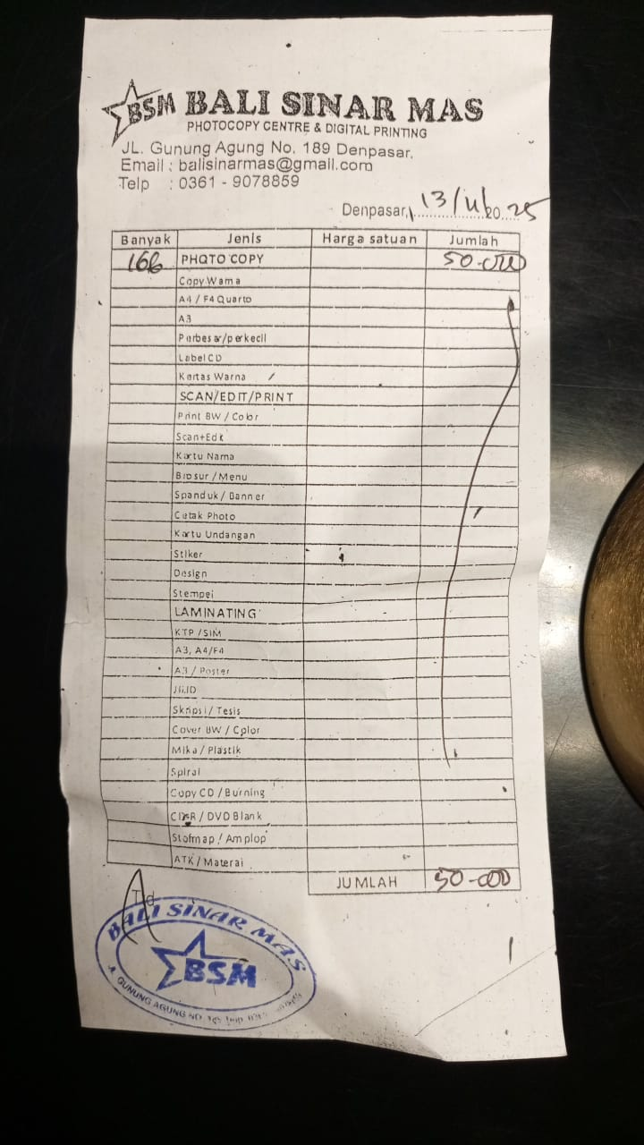 | F
13-Nov-25 | SINAR MULIA FOTOKOPI |  | 255,000.00 | 693,800.00 | PRINT EDIBLE PAPER |  | K
13-Nov-25 | SARASWATI PRINTING FOTOKOPI |  | 11,000.00 | 682,800.00 | PRINT & FOTOCOPY OF SCHEDULE CHANGE REQUEST (CHEF) | 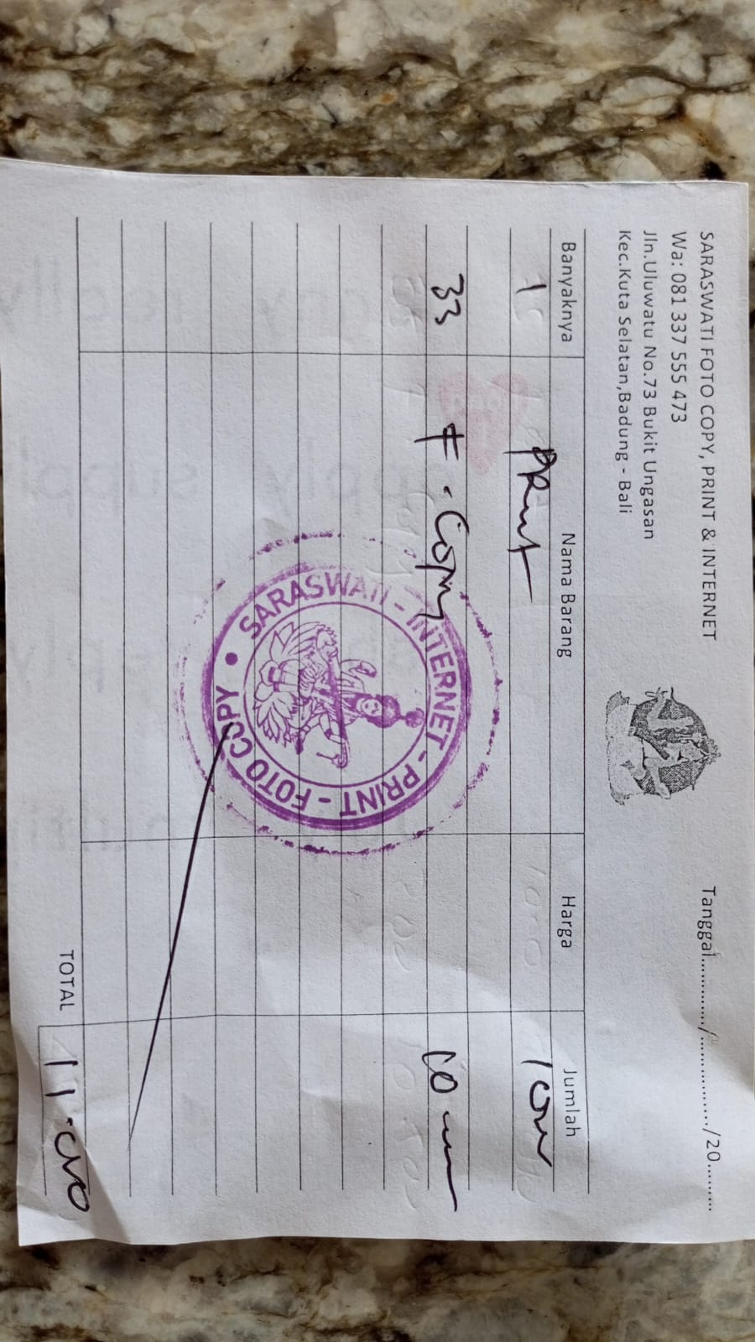 | F
13-Nov-25 | SAYUR, BUAH DAN SEMBAKO (BUK BUNGA) |  | 113,000.00 | 569,800.00 | PURCHASE OF URGENT BAR SUPPLIES | 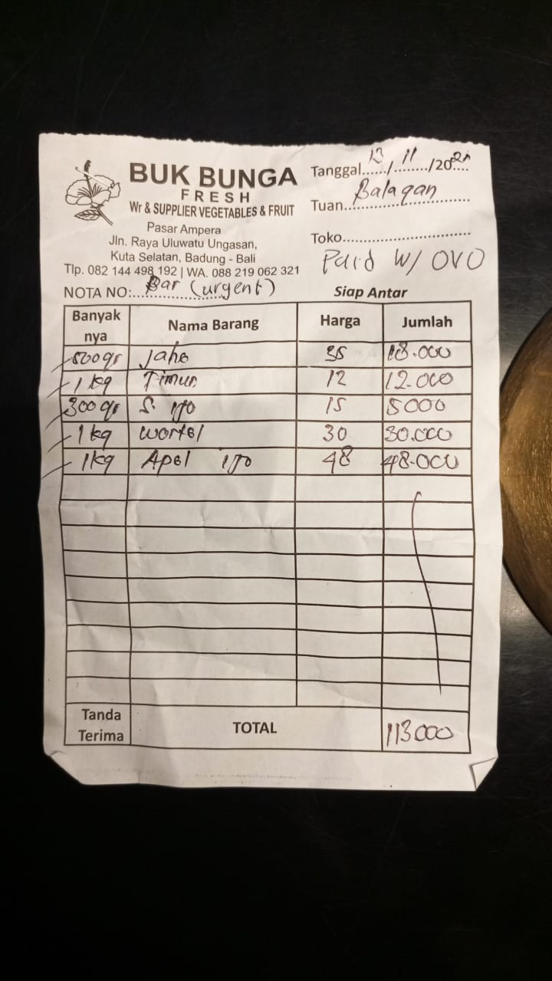 | K
14-Nov-25 | TOKO DEMAK BAUT MATERIIAL |  | 18,000.00 | 551,800.00 | PURCHASE OF SCREWS TO REPAIR CEILING | 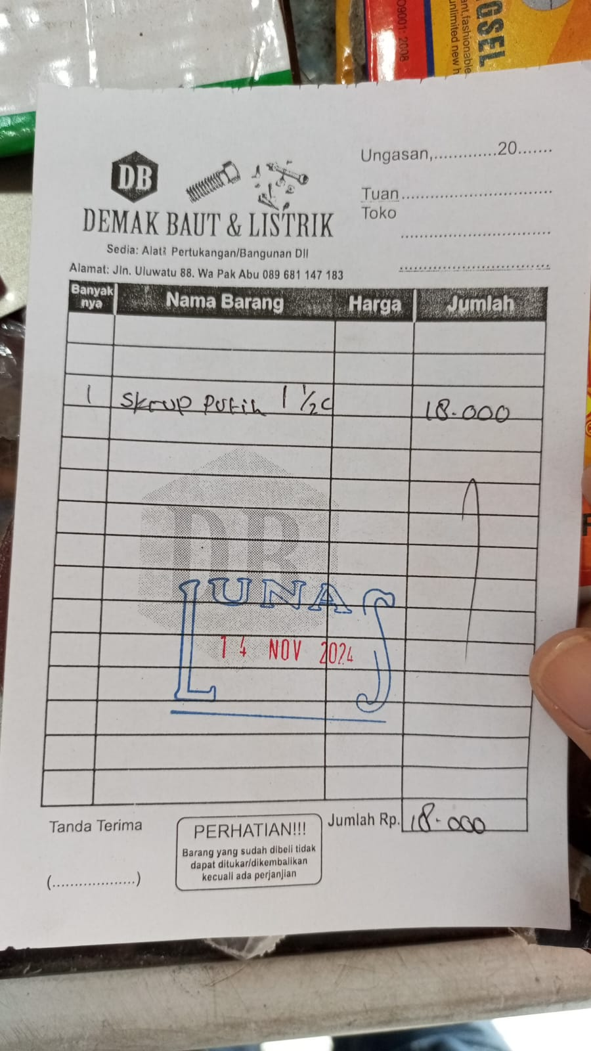 | F
14-Nov-25 | GRAMEDIA 003 B GALERIA |  | 36,500.00 | 515,300.00 | PURCHASE OF WHITE CARTON PAPER | 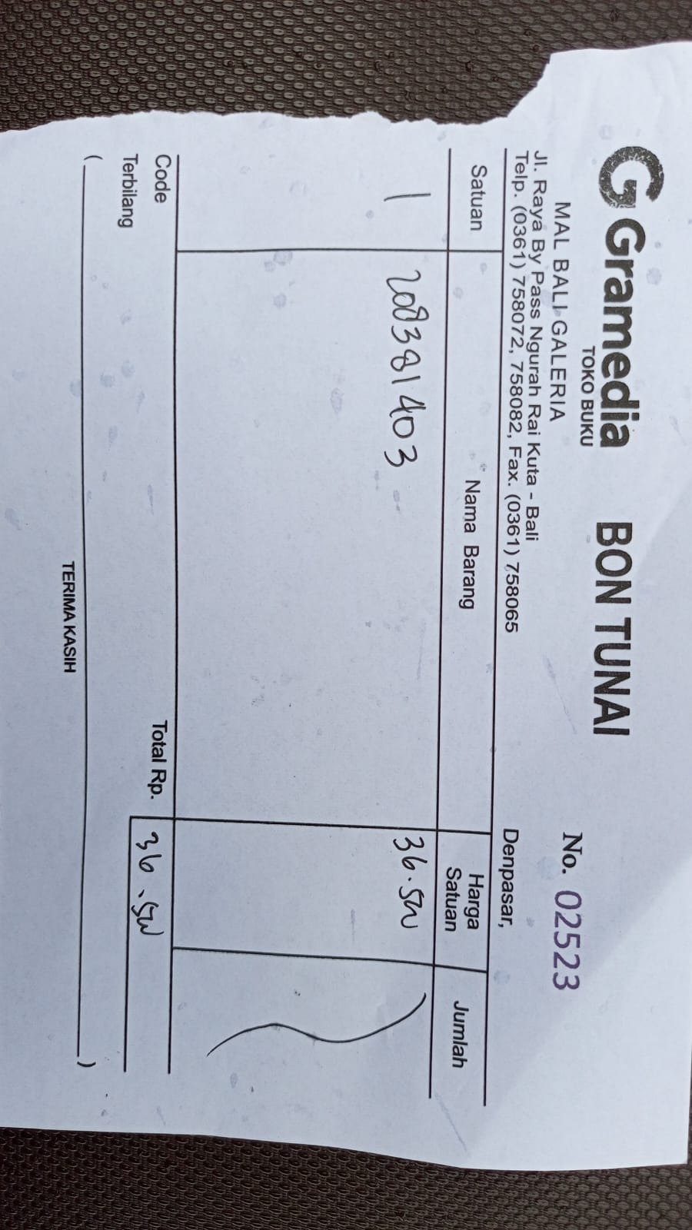 | F
17-Nov-25 | BALI STARS PROMOSINDO (BCA) |  | 185,500.00 | 329,800.00 | (PRINT NEW BALAGAN STICKER & FLOWER MAINTENANCE INSTRUCTIONS) + ADMIN FEE RP. 2500 | 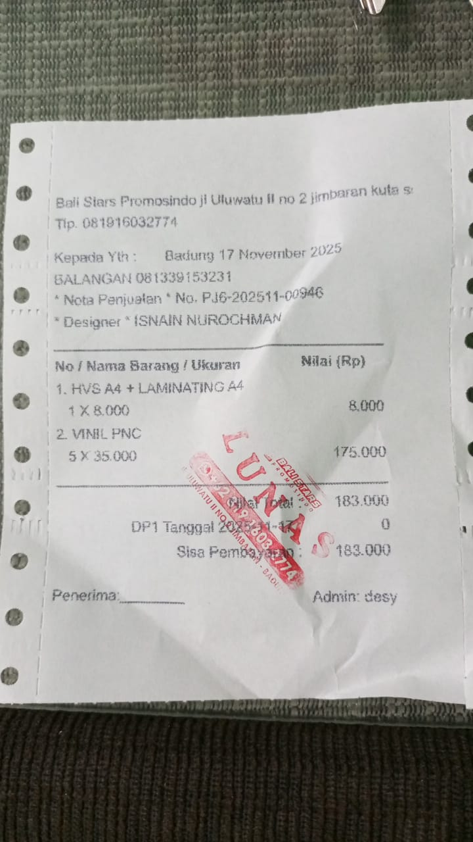 | F
18-Nov-25 | BALI STARS PROMOSINDO (BCA) |  | 27,500.00 | 302,300.00 | (PRINT STICKER "PLEASE BE CAREFUL") + ADMIN FEE RP. 2500 | 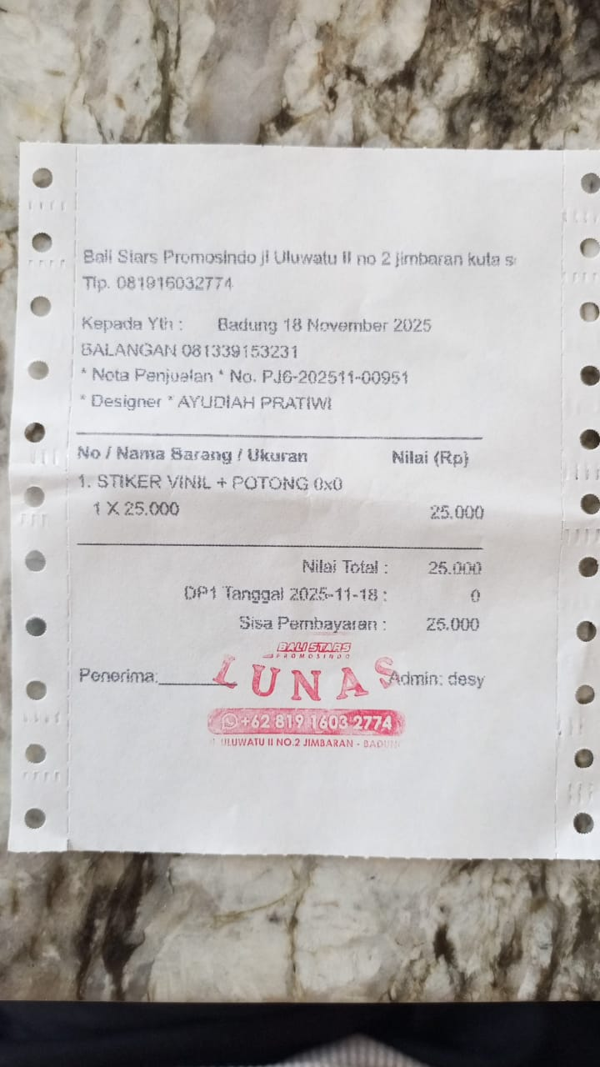 | F
18-Nov-25 | ANNA FLORIST |  | 84,000.00 | 218,300.00 | PURCHASE FLOOR FLOWER | 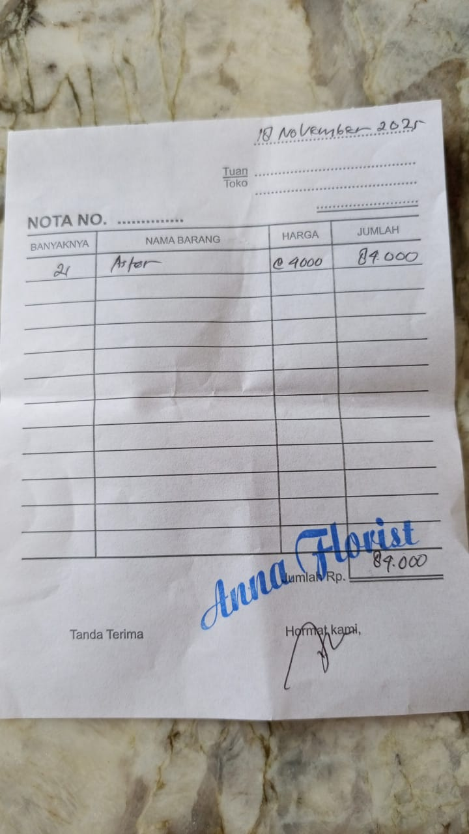 | F
19-Nov-25 | PEPITO EXPRESS PECATU |  | 52,900.00 | 165,400.00 | PURCHASE PUFF PASTRY | 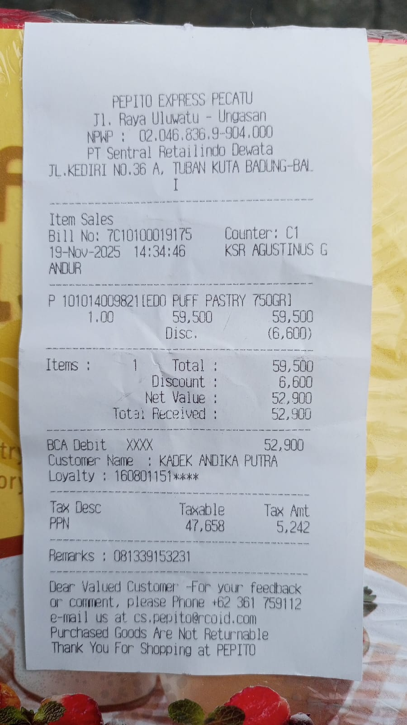 | K
19-Nov-25 | TOKO BUAH PUSPITA |  | 50,000.00 | 115,400.00 | PURCHASE ROYAL NZ APPLE | 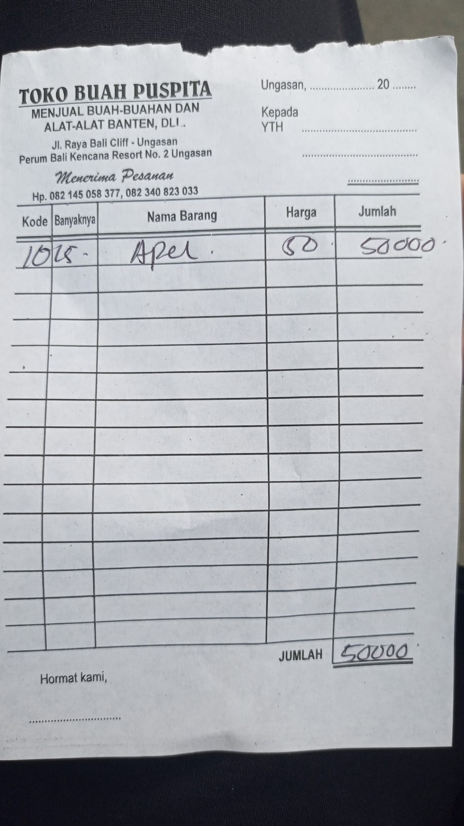 | K
21-Nov-25 | XJAU - MR.D.I.Y RUKO JIMB |  | 26,000.00 | 89,400.00 | PURCHASE TORCH REFILL | 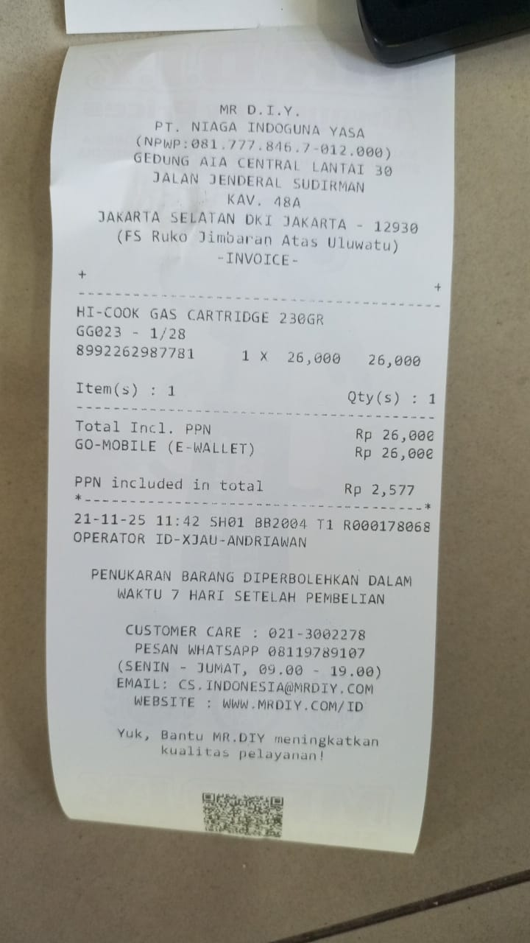 | B
21-Nov-25 | KADEK ANDIKA PUTRA (BCA) + ADMIN FEE RP 2.500 |  | 60,700.00 | 28,700.00 | REIMBURSE PURCHASE OF JOLLY TIME POPCORN USING PERSONAL CASH MONEY Rp 17.200 | 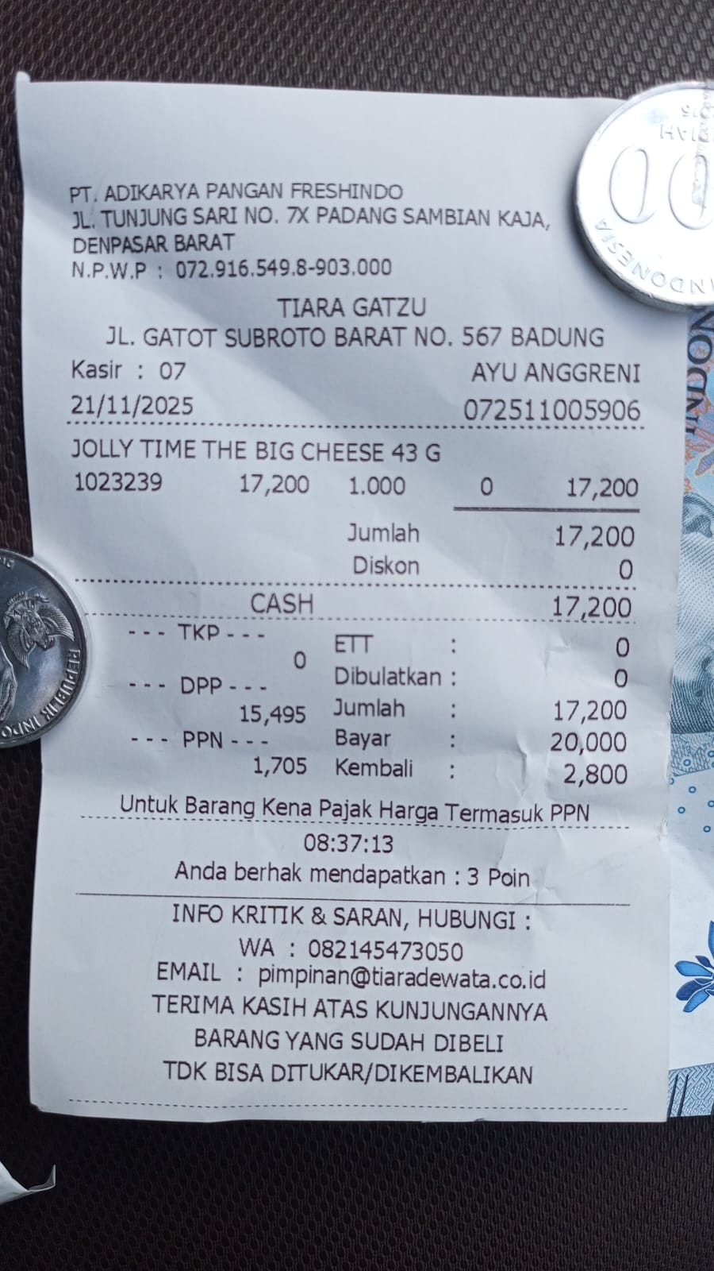 | K
 |  |  |  |  | REIMBURSE BALINESE OFFERING PURCHASE USING MY PERSONAL CASH MONEY Rp. 10.000 | 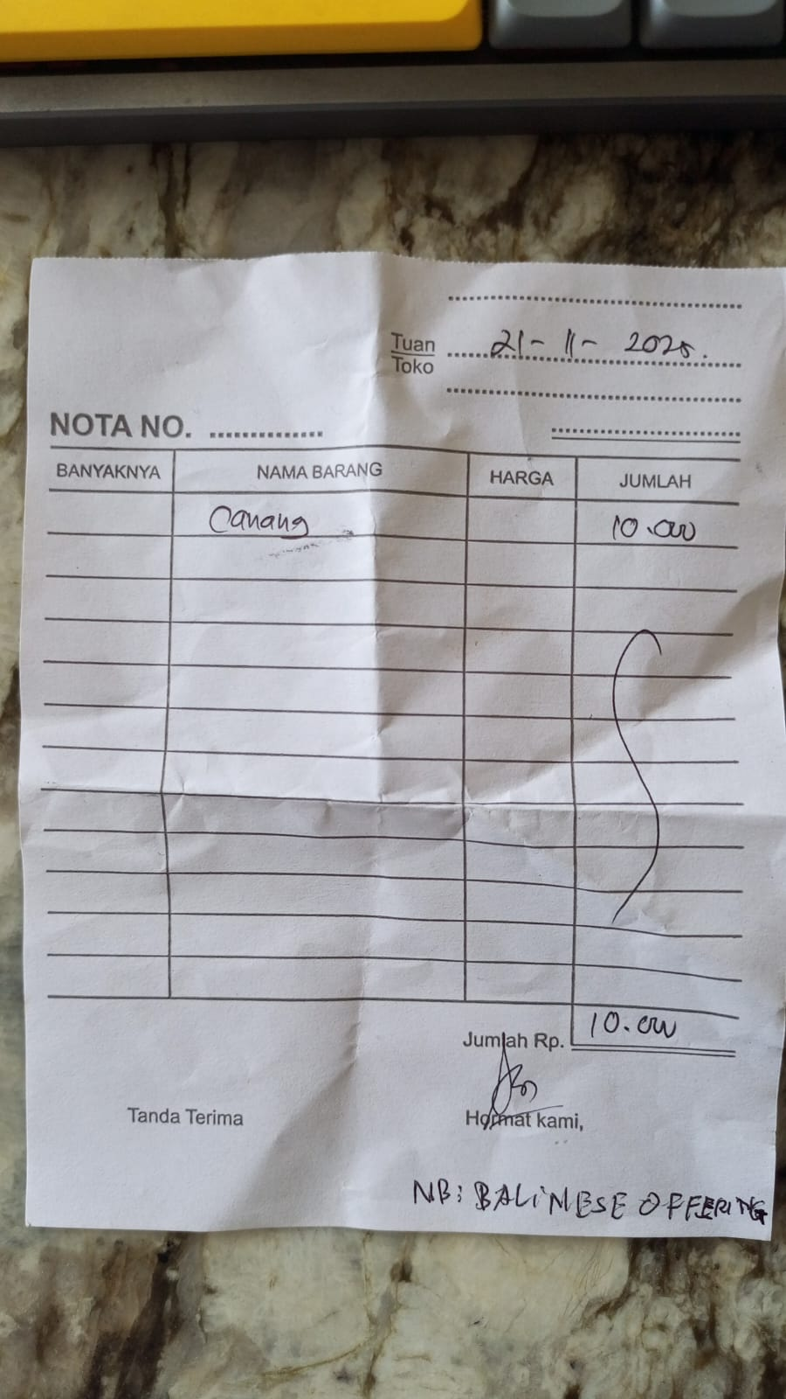 | F
 |  |  |  |  | REIMBURSE BALINESE COOKIES PURCHASE USING MY PERSONAL CASH MONEY Rp. 31.000 | 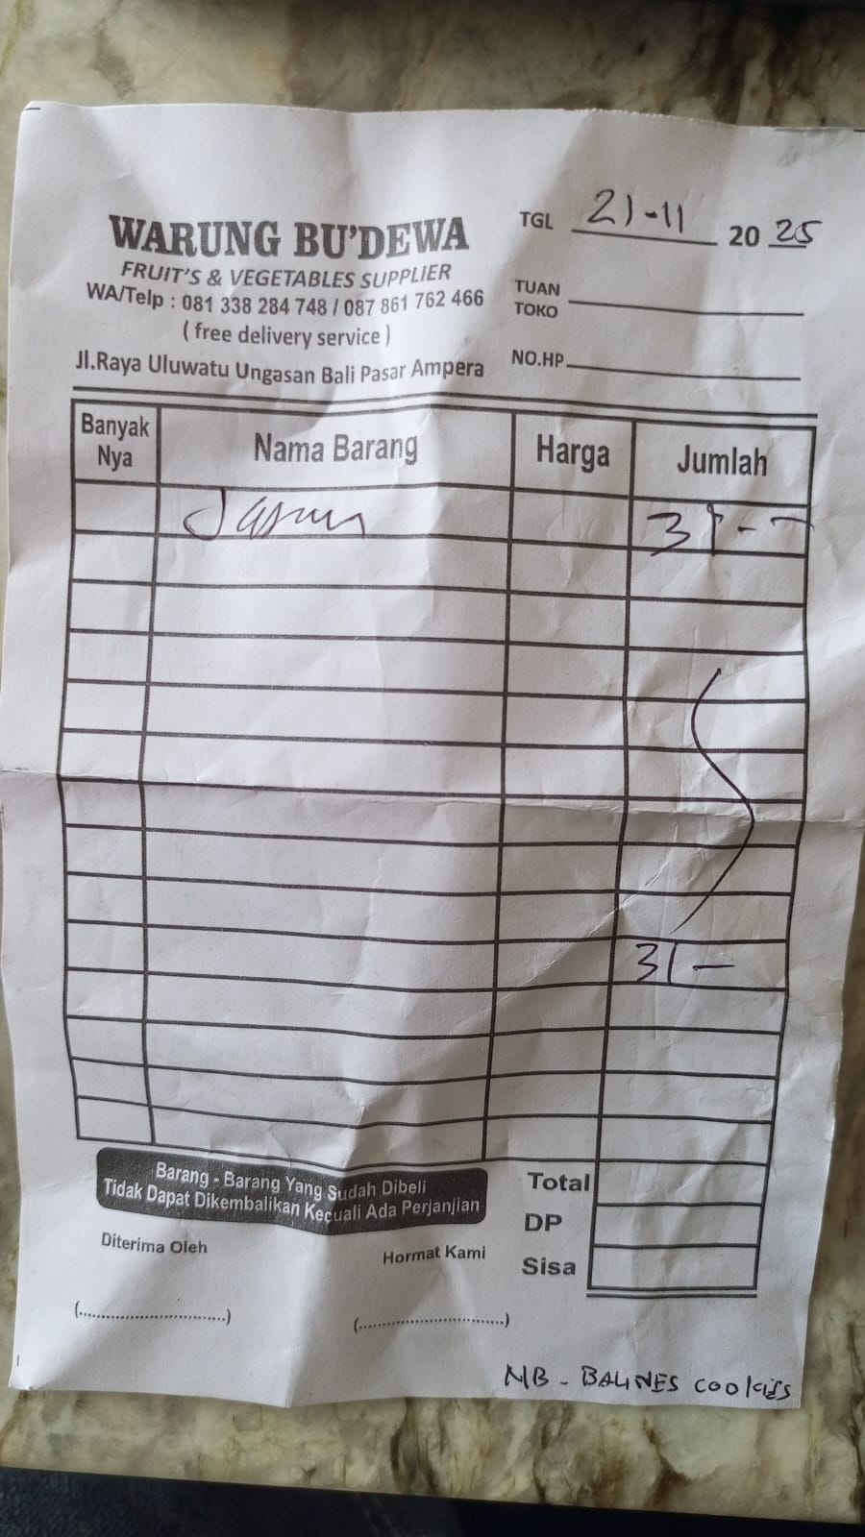 | F
25-Nov-25 | FROM PETTY CASH BRI | 1,000,000.00 |  | 1,028,700.00 | TOP UP BY LEMESY RP. 1.000.000 | 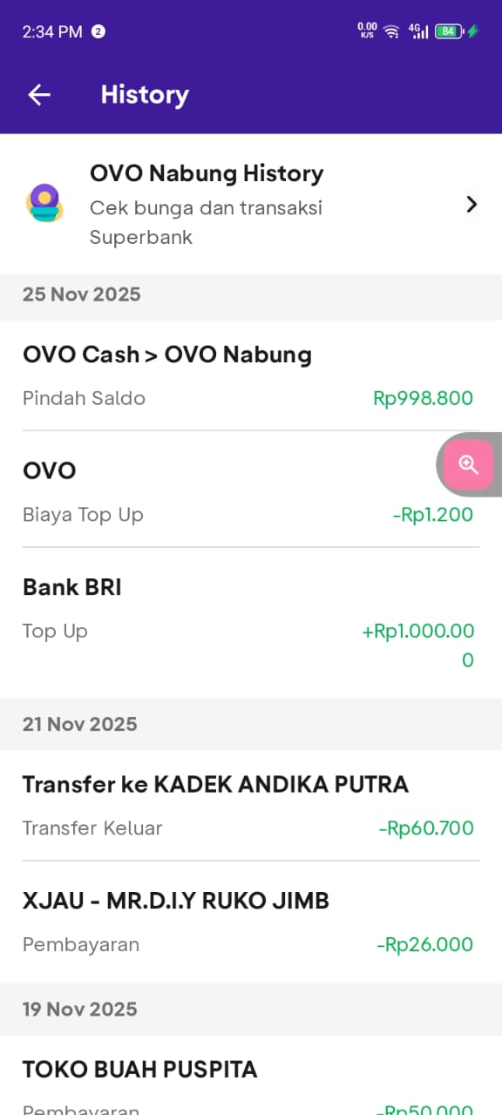 | T
25-Nov-25 | OVO ADMIN FEE |  | 1,200.00 | 1,027,500.00 | ADMIN FEE RP. 1.200 |  | T
26-Nov-25 | BSM PRINTING BALI |  | 5,000.00 | 1,022,500.00 | PRINTING ART LABEL FOR PAINTING NOVEMBER 2025 - JANUARY 2026 | 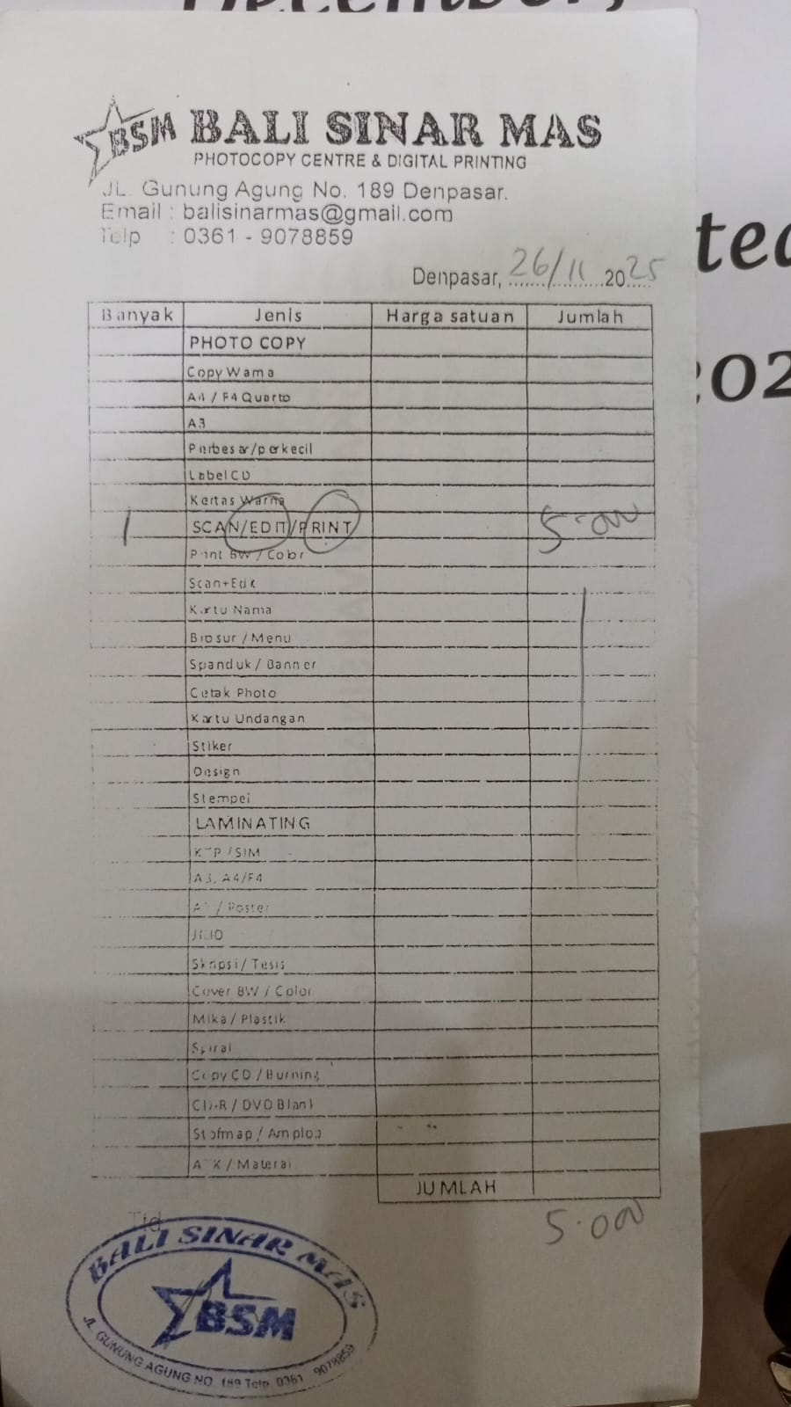 | F
26-Nov-25 | FRESHINDO TUKAD YEH AYA |  | 12,750.00 | 1,009,750.00 | PURCHASING TORCH REFILL (GAS LIGHTER 84 G | 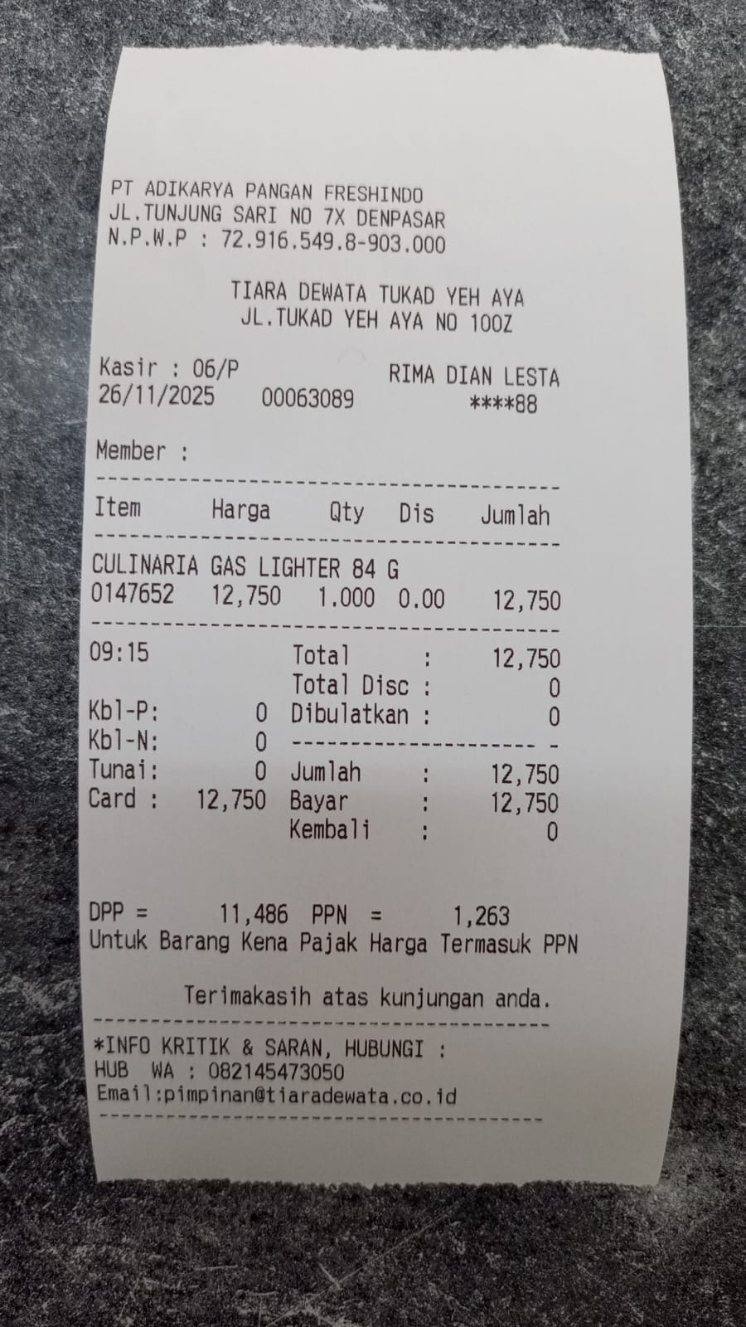 | B
26-Nov-25 | TRANSFER TO NI LUH MULIA DEWI (BCA). MULIA JAYA |  | 302,500.00 | 707,250.00 | PAYING BILL OF MULIA JAYA (BAR) | 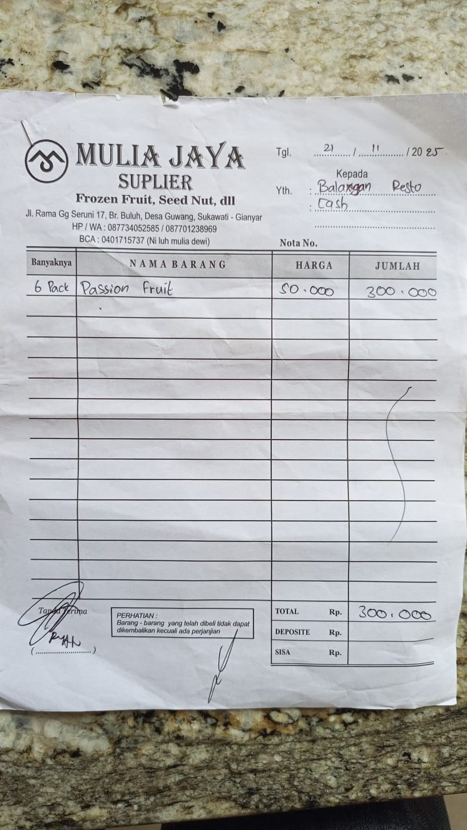 | B
26-Nov-25 | CM ULUWATU |  | 89,000.00 | 618,250.00 | PURCHASE URGENT TKW BOX L FOR KITCHEN |  | K
27-Nov-25 | PT OLMEC INDUSTRIES INDONESIAN (BNI) |  | 109,337.00 | 508,913.00 | PURCHASING NACHOS | 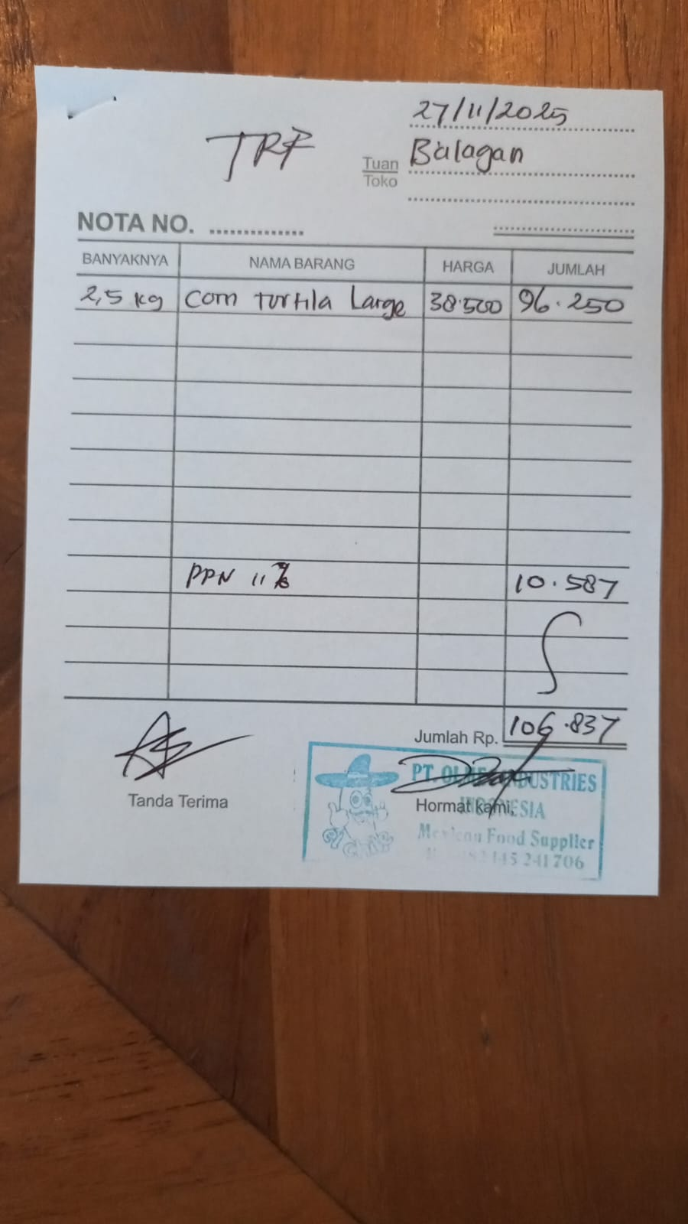 | K
27-Nov-25 | TRIA GARDEN HO |  | 35,000.00 | 473,913.00 | PURCHASING INSECTICIDE | 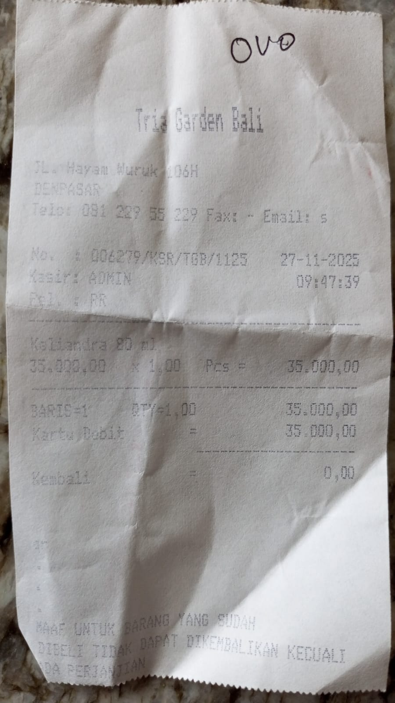 | F
27-Nov-25 | BAR ESSENTIALS ULUWATU |  | 140,000.00 | 333,913.00 | PURCHASING BAMBOO COCTAIL PICK (BAR) | 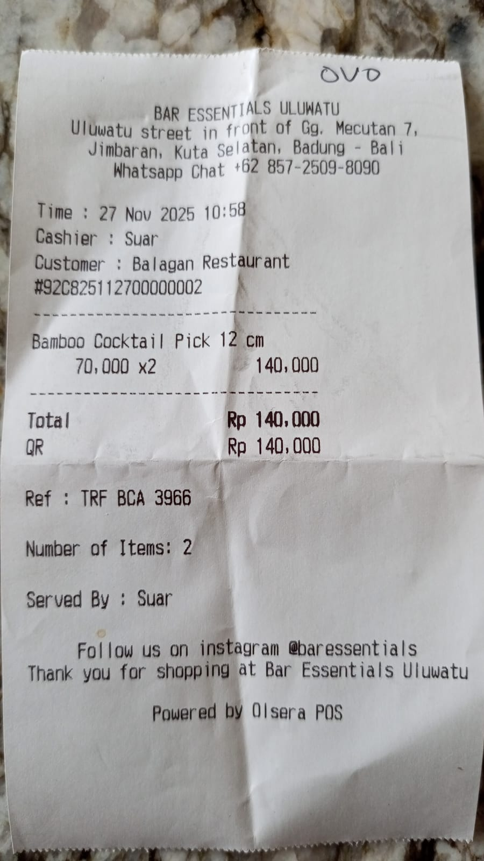 | K
27-Nov-25 | MR.D.I.Y RK JIMBARAN |  | 44,000.00 | 289,913.00 | PURCHASING DOUBLE TAPE (FLOOR) | 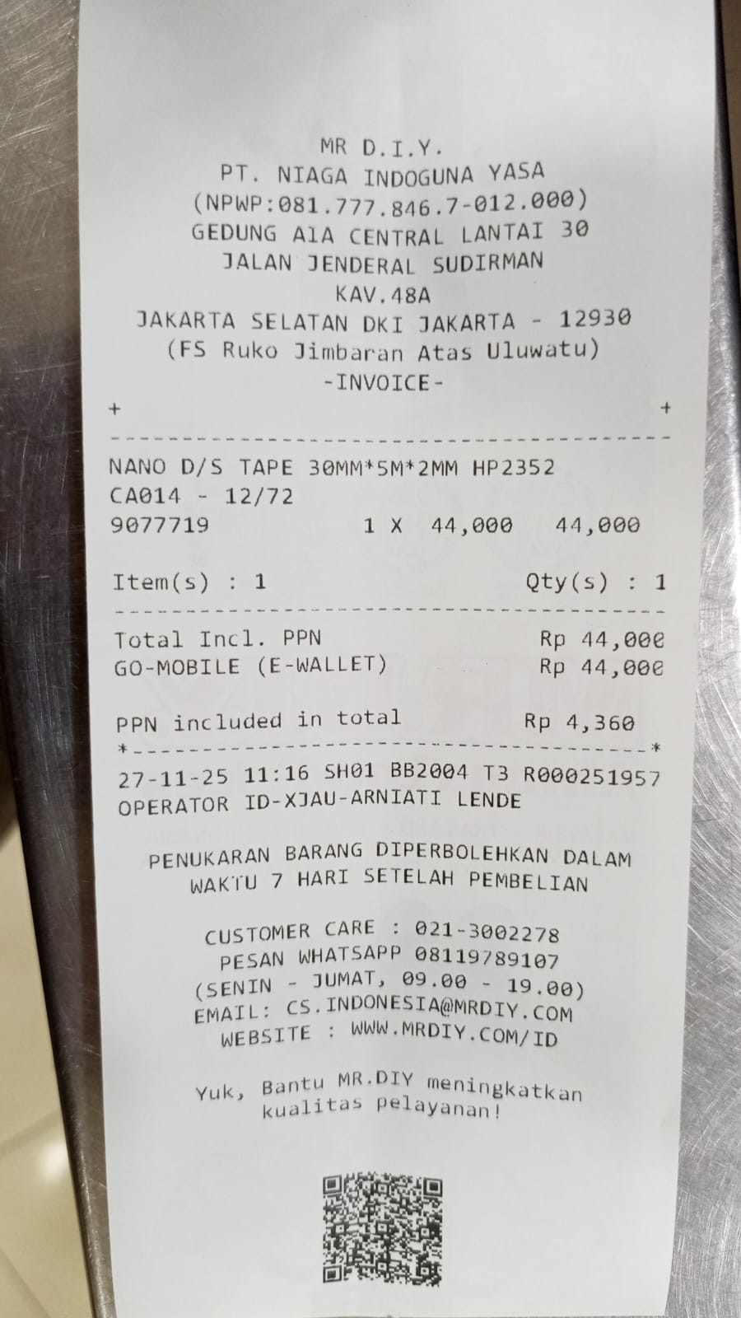 | F
27-Nov-25 | ARTHAYASA PHOTO HO |  | 24,000.00 | 265,913.00 | PURCHASING 2 SPIDOL (MARKER) FOR KITCHEN AND FLOOR | 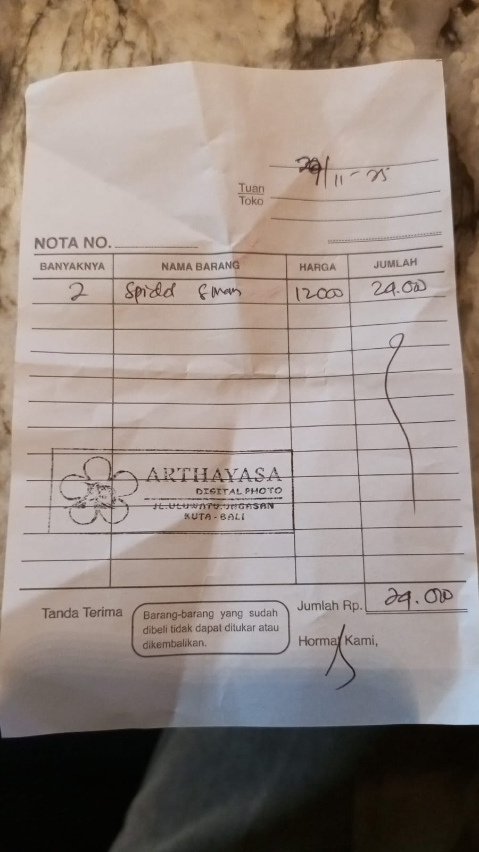 | F
28-Nov-25 | FROM PETTY CASH BCA | 1,000,000.00 |  | 1,265,913.00 | TOPPED UP RP. 1.000.000 |  | T
28-Nov-25 | OVO ADMIN FEE |  | 1,000.00 | 1,264,913.00 | ADMIN FEE RP. 1.000 |  | T
28-Nov-25 | KEMFOOD BALI |  | 155,247.00 | 1,109,666.00 | PURCHASING SALAMI (KITCHEN) | 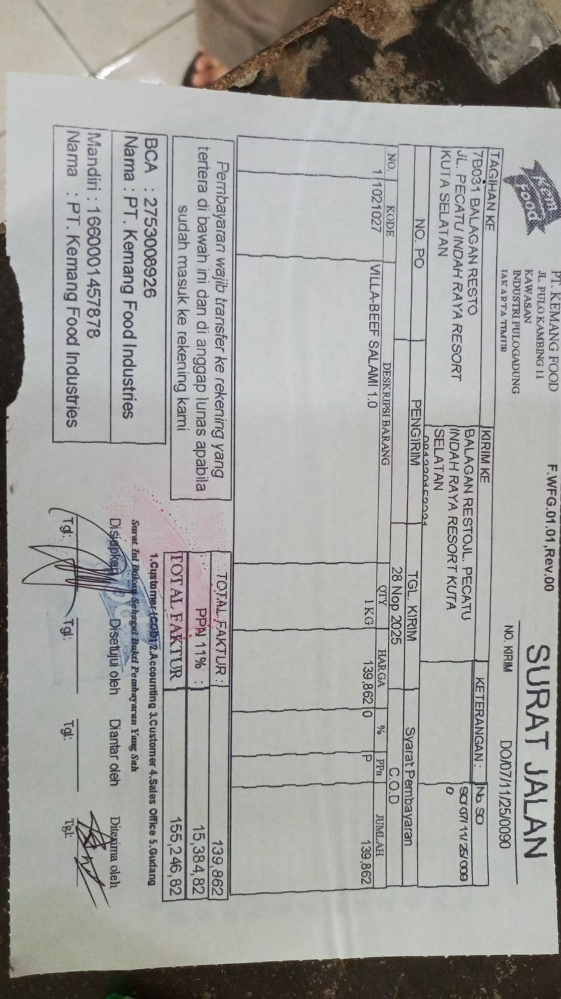 | K
28-Jan-00 | BUNGA OVO NABUNG (REWARDS) | 810.00 |  | 1,110,476.00 | RECEIVED INTEREST FROM OVO SAVINGS |  | I
29-Nov-25 | THE CHAI |  | 285,000.00 | 825,476.00 | PURCHASE CHAMOMILE TEA |  | K
29-Nov-25 | GRAMEDIA 003 B GALERIA |  | 14,000.00 | 811,476.00 | MAX STAPLES 10 | 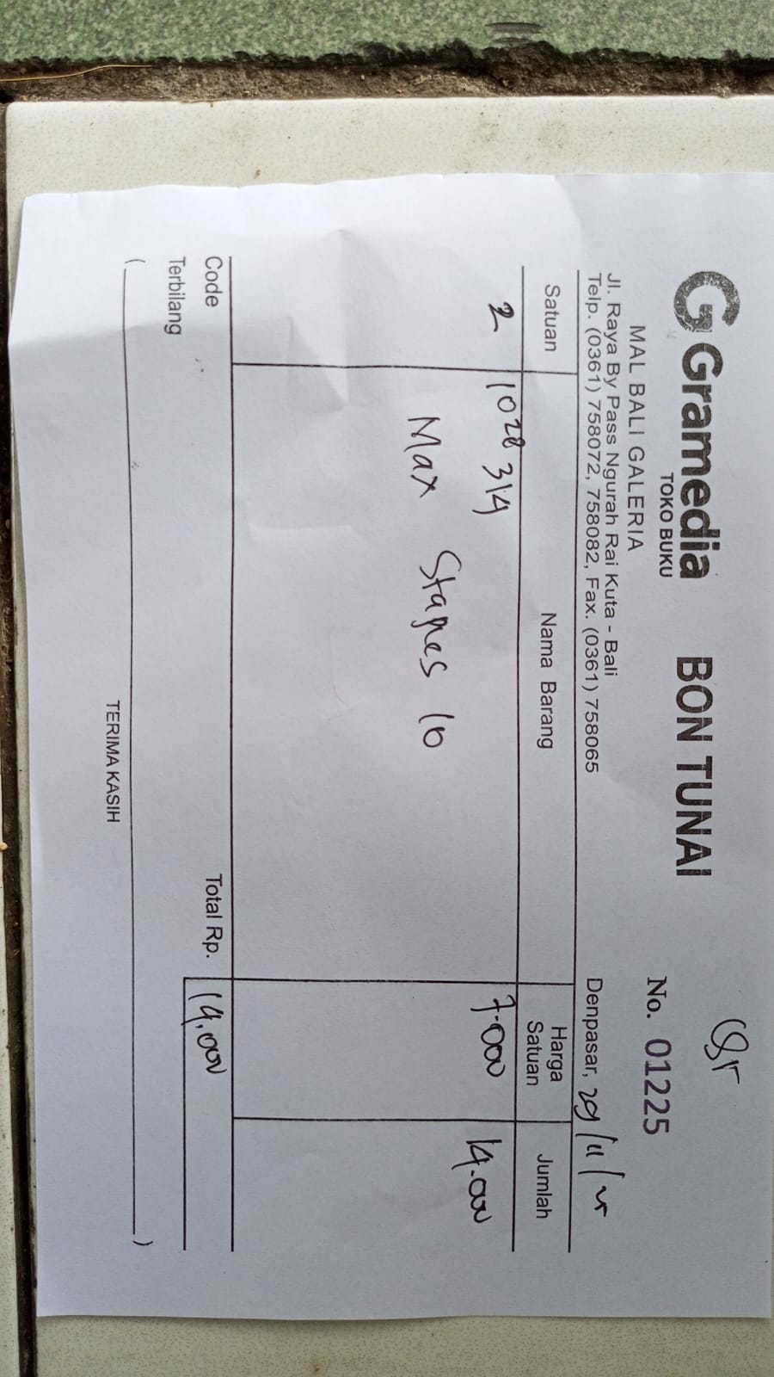 | F
30-Nov-25 | NIRMALA BALANGAN |  | 57,500.00 | 753,976.00 | BAYGON FOR BAR TO KILL INSECTS | 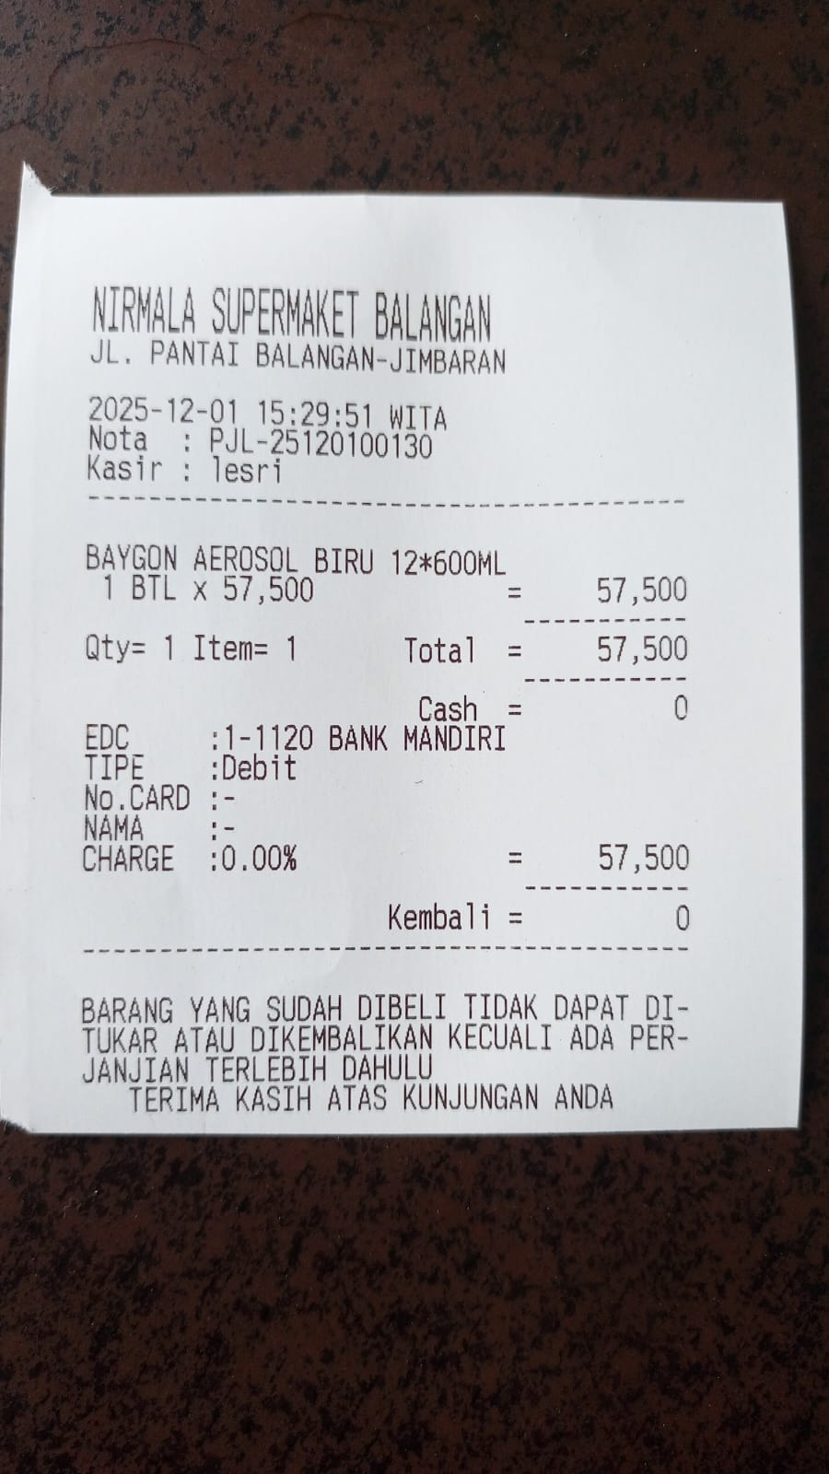 | F
1-Dec-25 | BUMDES |  | 94,000.00 | 659,976.00 | PURCHASE GREEN MUSTARD, CUCUMBER, ORANGE | 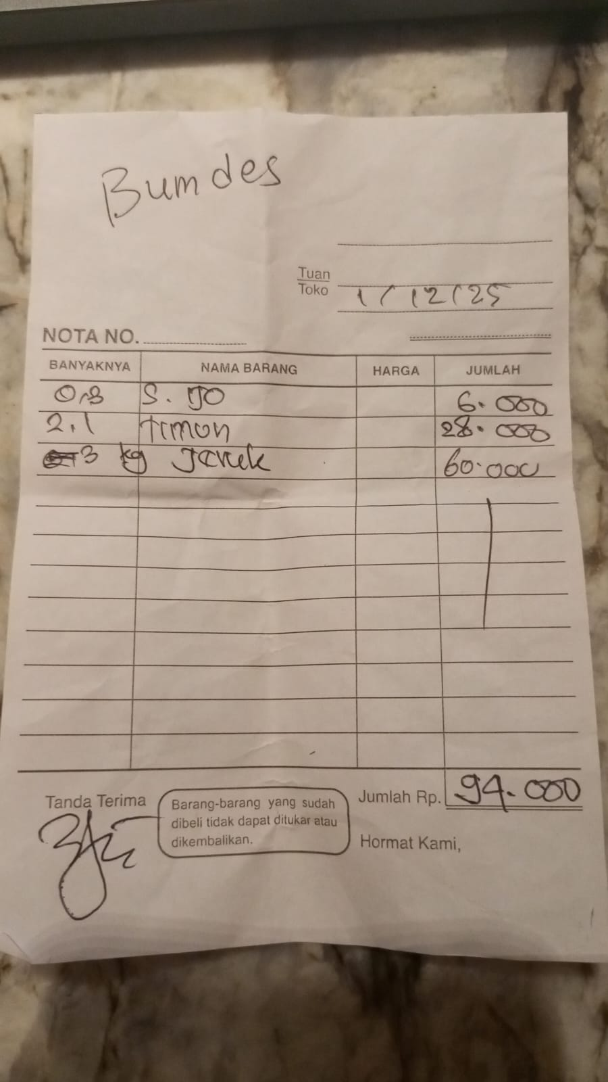 | K
1-Dec-25 | DEWATA FRESH FRUIT |  | 50,000.00 | 609,976.00 | PURCHASE MANGO | 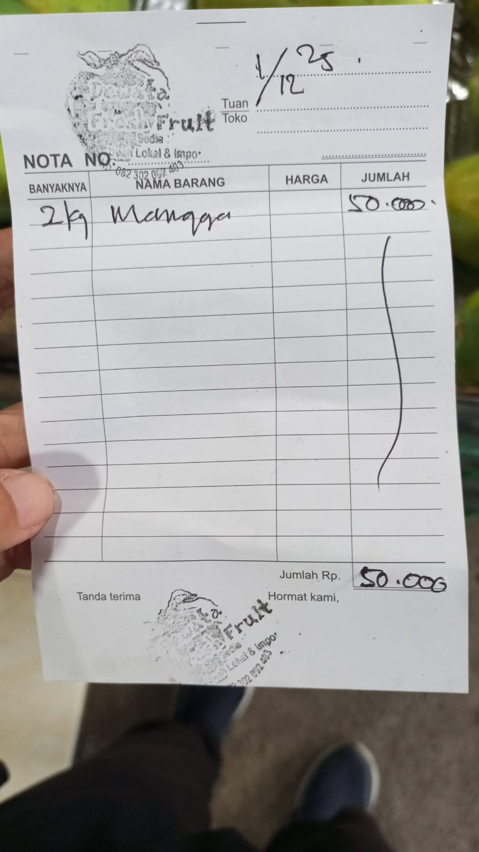 | B
1-Dec-25 | TOKO BUAH PUSPITA |  | 100,000.00 | 509,976.00 | IMPORTED LEMONk FOR BAR | 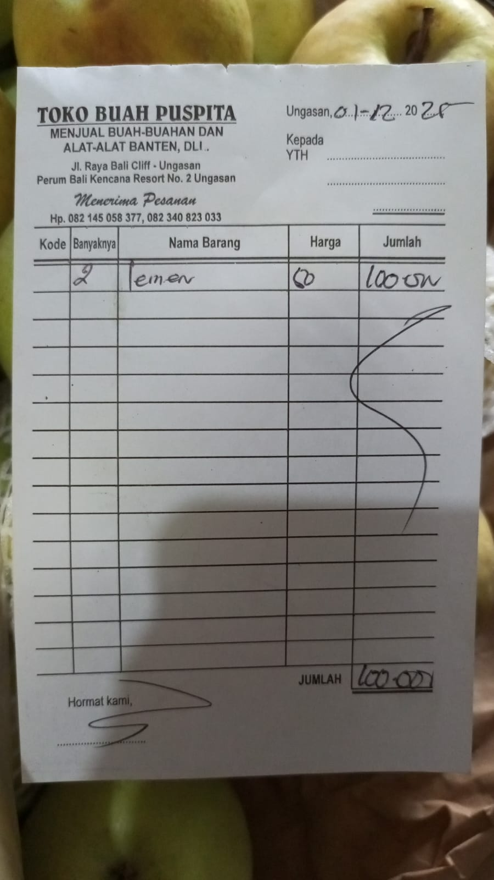 | B
2-Dec-25 | ANNA FLORIST |  | 84,000.00 | 425,976.00 | PURCHASE FLOOR FLOWER | 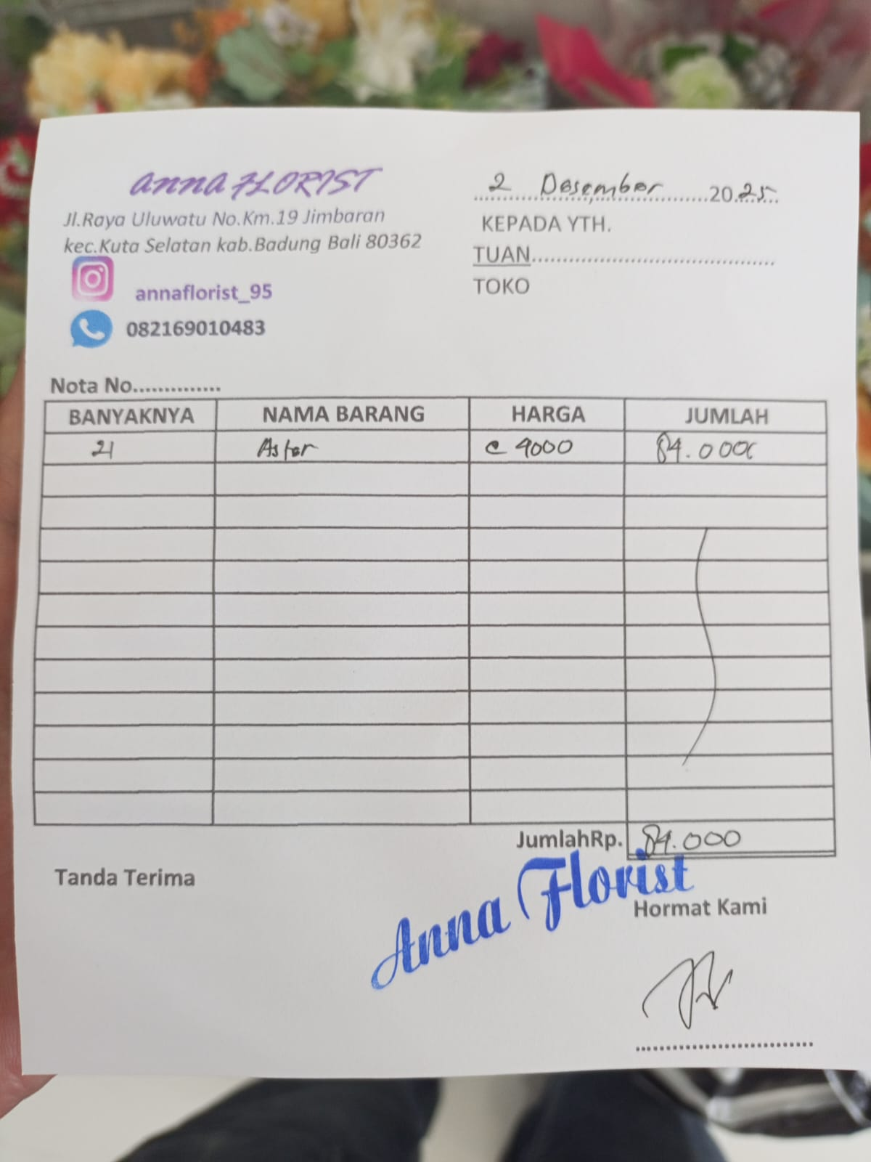 | F
4-Dec-25 | BALIARTSUPPLIESJIMBARAN |  | 115,500.00 | 310,476.00 | PURCHASE PAINTS FOR ART | 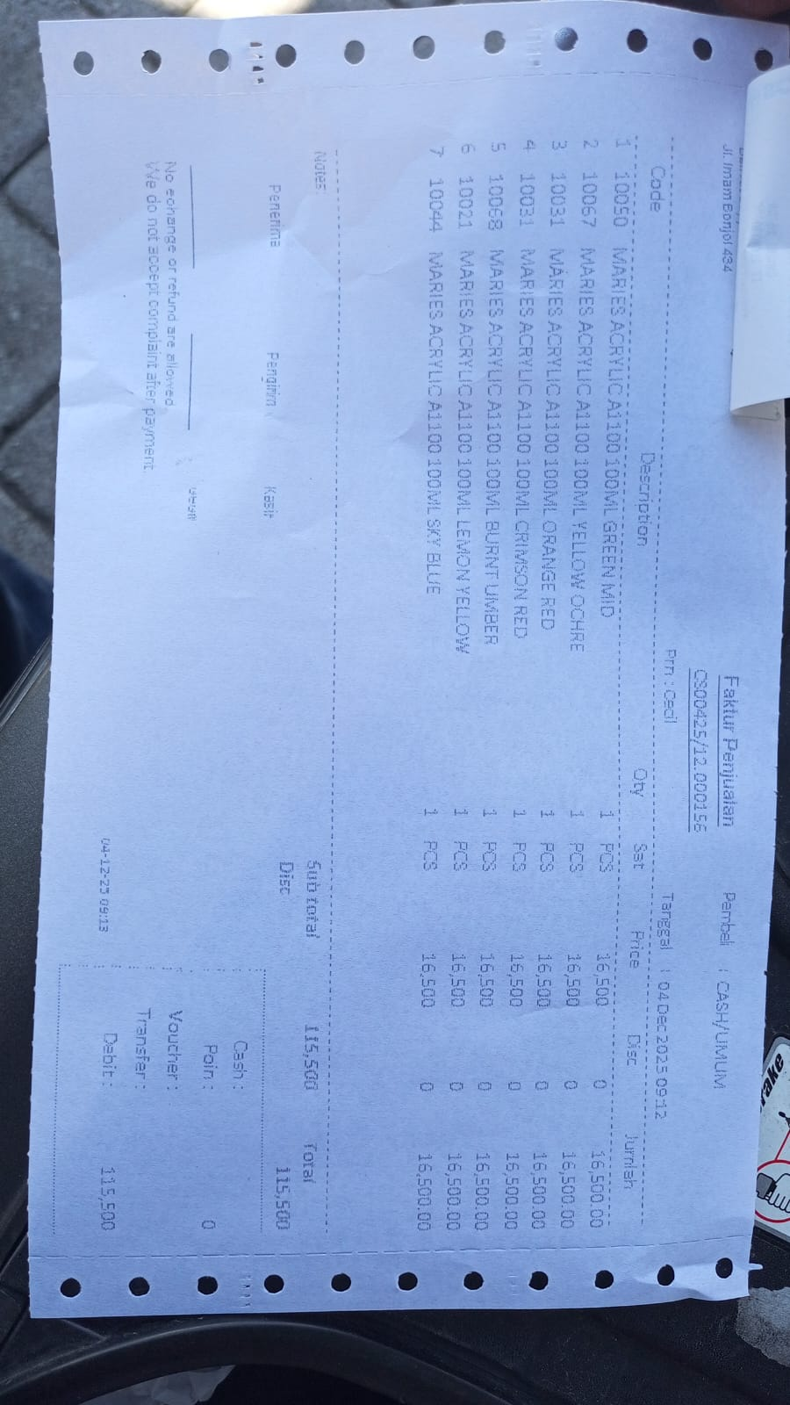 | F
4-Dec-25 | FROM PETTY CASH BRI | 3,000,000.00 |  | 3,310,476.00 | TOPPED UP RP. 3.000.000 | 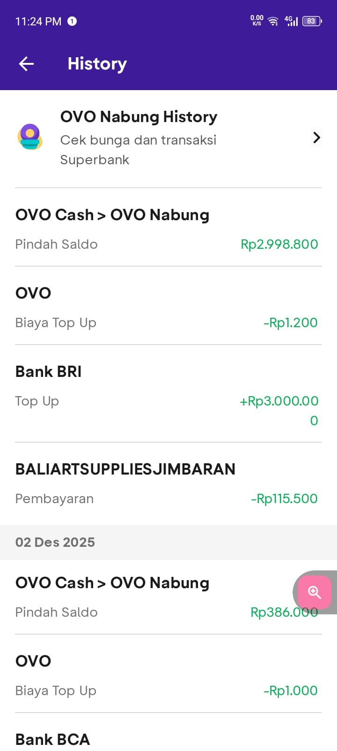 | T
4-Dec-25 | OVO ADMIN FEE |  | 1,200.00 | 3,309,276.00 | ADMIN FEE RP. 1.200 |  | T
4-Dec-25 | TRANSFER KE LUH DINA ANGGRA WAHY |  | 164,500.00 | 3,144,776.00 | MANDIRI TRANSFER FOR FLOOR TO BUYBALINESE OFFERING UTILITIES ADMIN FEE RP. 2.500 | 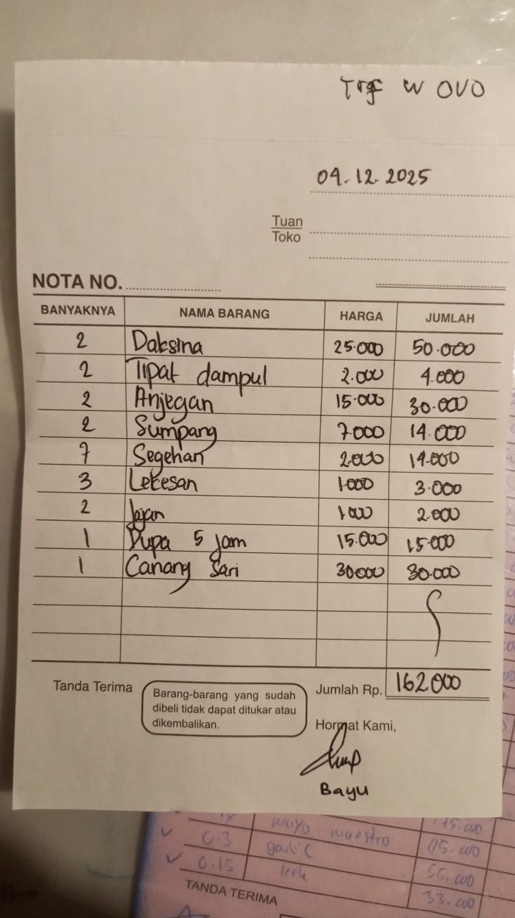 | F
5-Dec-25 | SARANA CIPTA AGRO 1 |  | 22,000.00 | 3,122,776.00 | PURCHASING PLANT FERTILIZER | 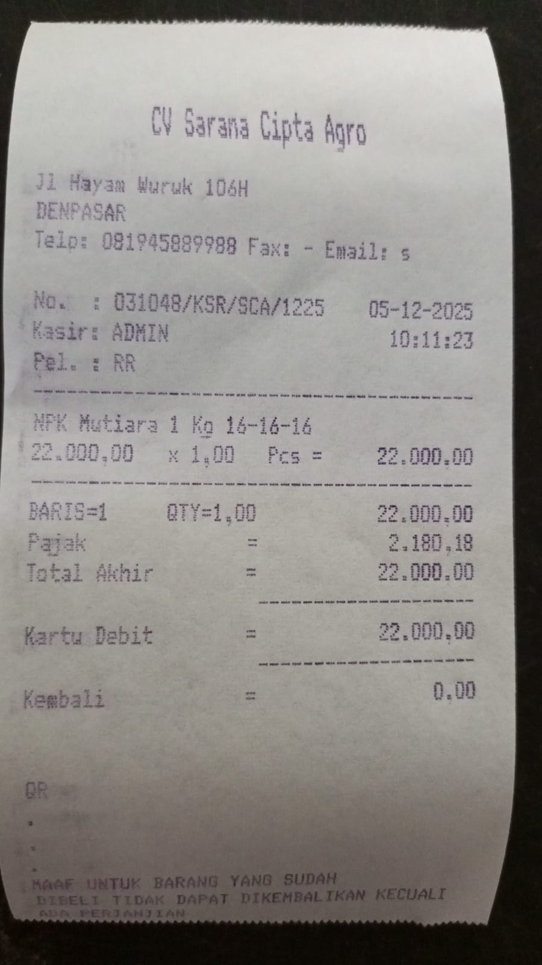 | F
5-Dec-25 | TRANSFER KE BALI STARS CV |  | 402,500.00 | 2,720,276.00 | PRINTING 10 SHEET OF VINYL STICKER | 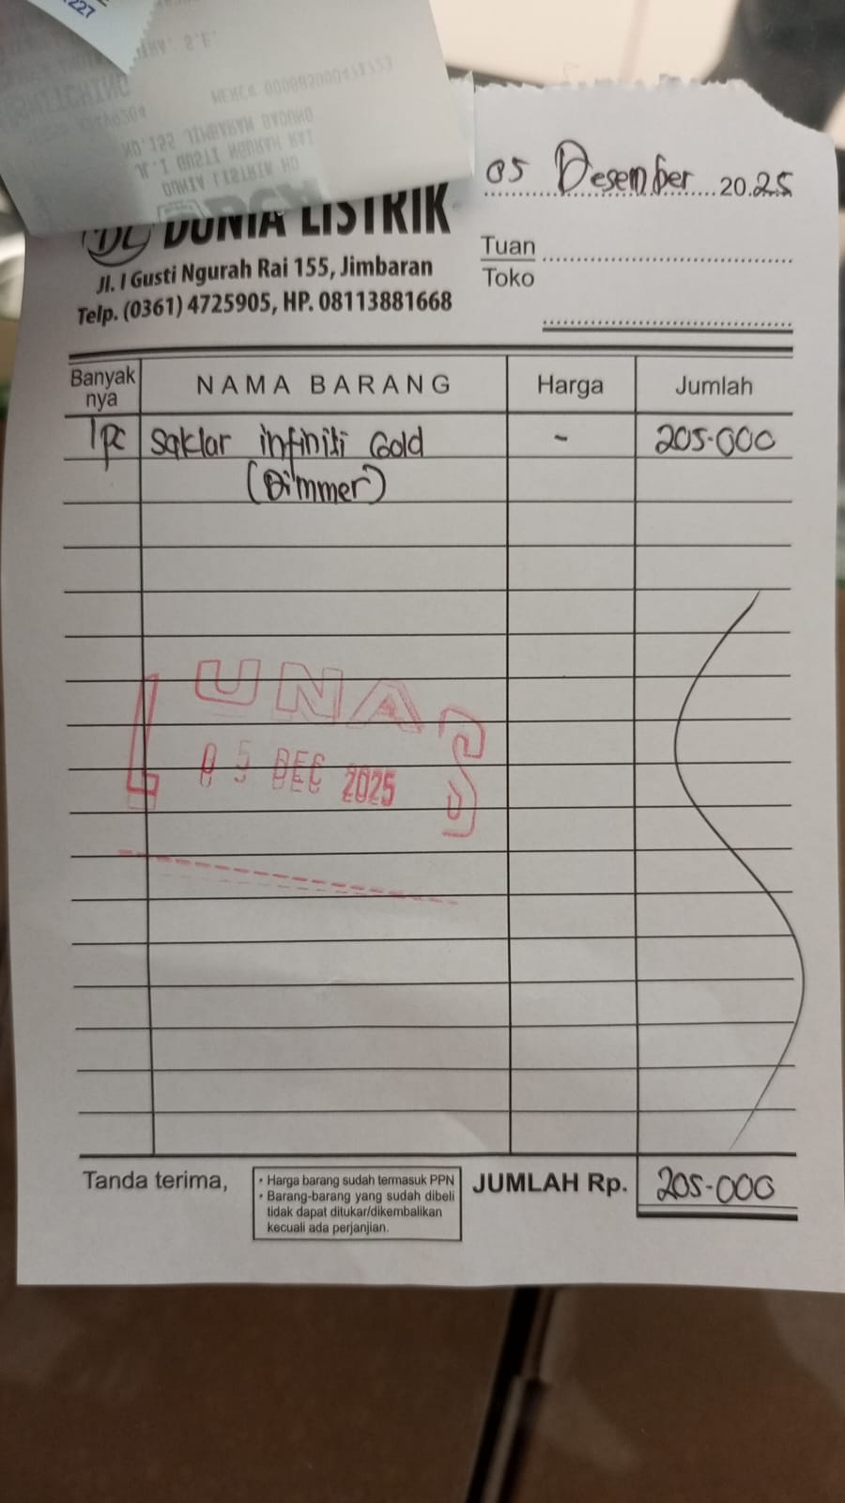 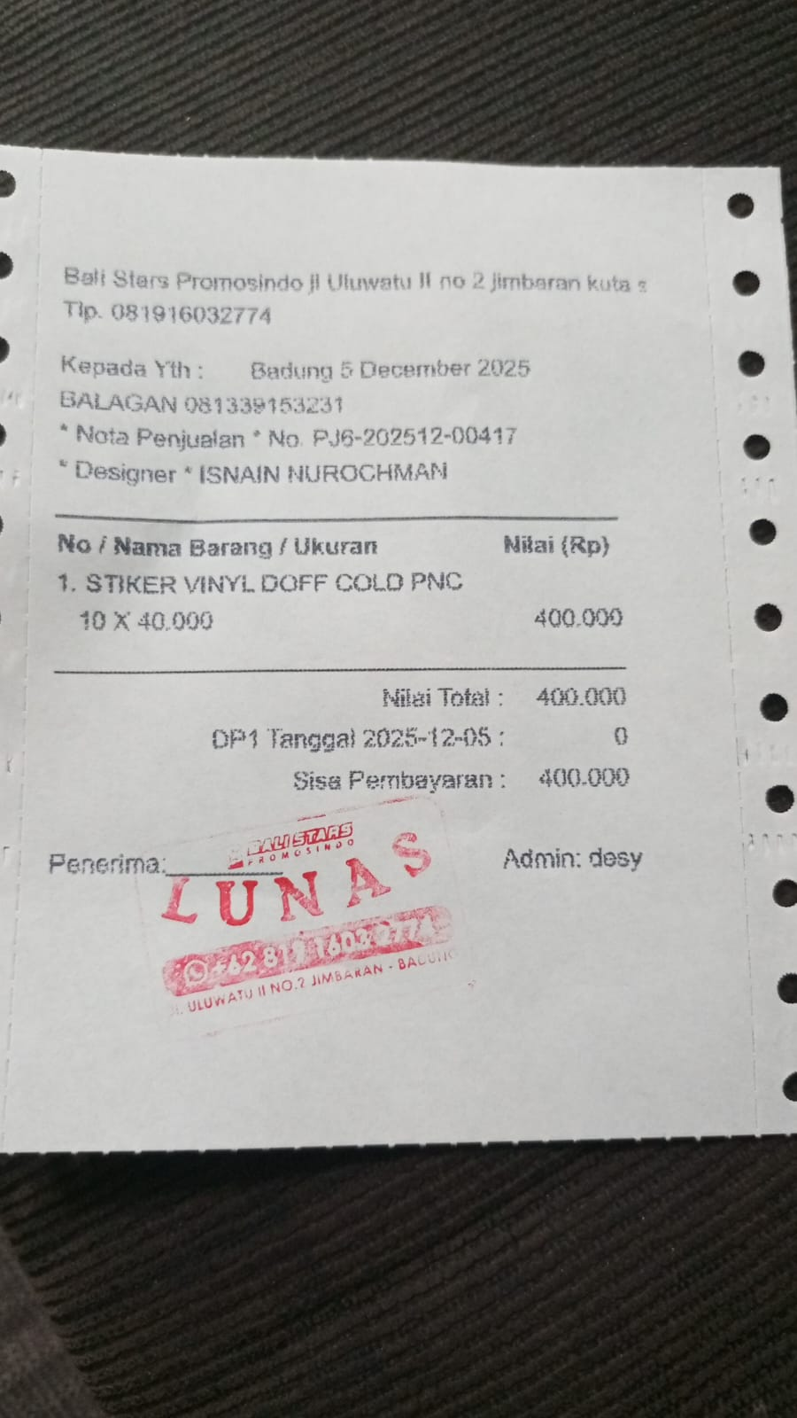 | F
5-Dec-25 | ARTHAYASA PHOTO HO |  | 74,000.00 | 2,646,276.00 | PURCHASE 12 PLASTIC MAP, 2 SHEET PROTECTOR | 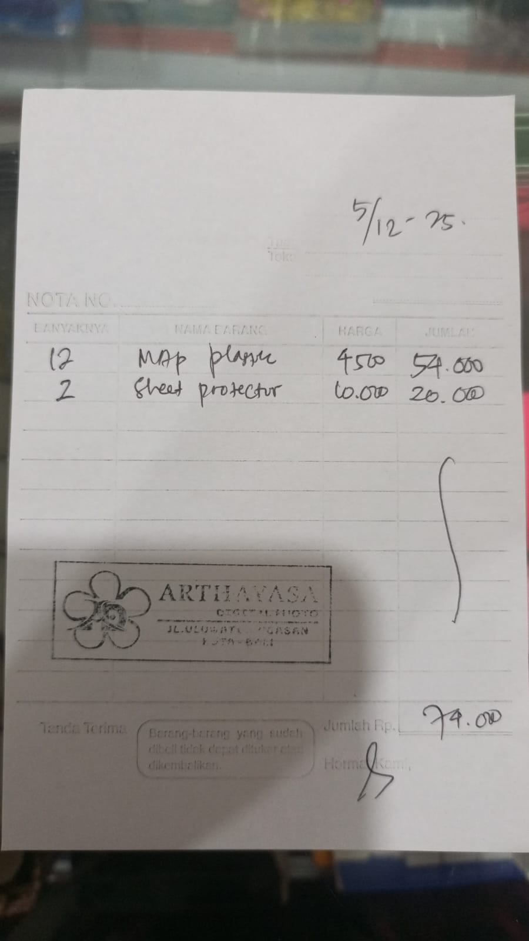 | F
5-Dec-25 | MR.D.I.Y RK JIMBARAN |  | 167,500.00 | 2,478,776.00 | PURCHASE 2 GLASS, LED STRIPE, BATTERY FOR CHRISTMAS | 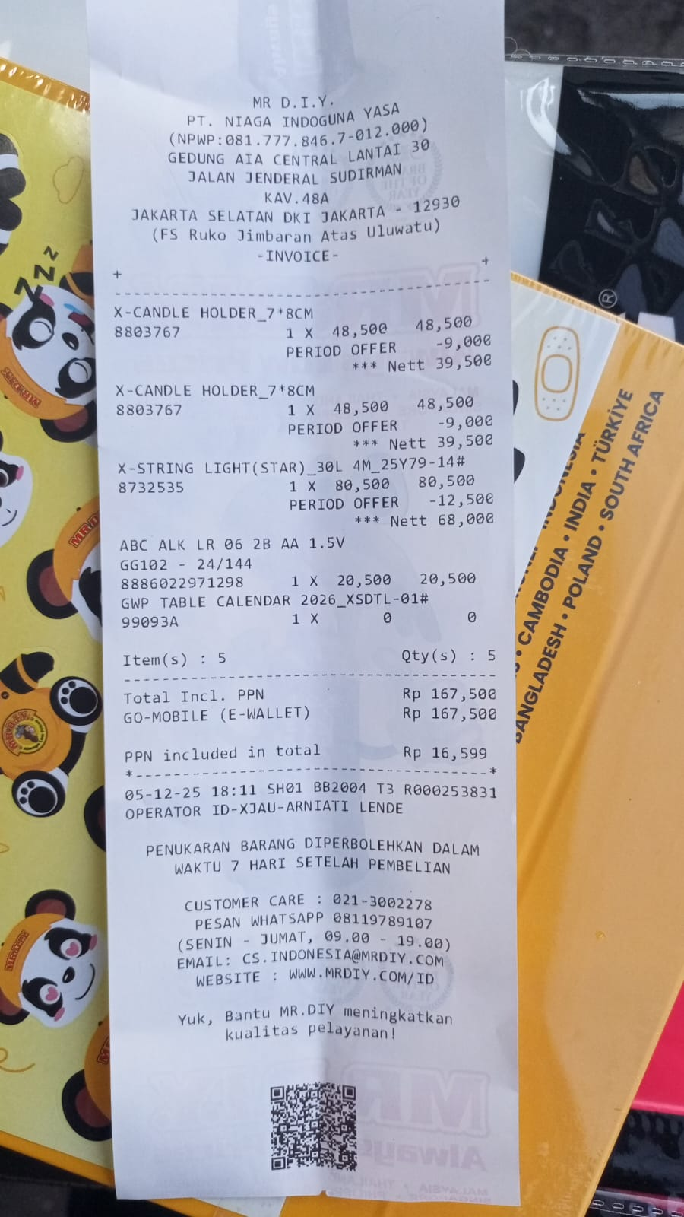 | F
6-Dec-25 | THE CHAI ULUWATU |  | 152,000.00 | 2,326,776.00 | PURCHASE DA HONG PAO "ROU GUI" |  | B
6-Dec-25 | TRANSFER KE NI KOMANG DIAH LESTA |  | 22,500.00 | 2,304,276.00 | REIMBURSE CANANG (BALINESE OFFERING) FOR FLOOR + ADMIN FEE RP 2.500 |  | F
8-Dec-25 | ANNA FLORIST |  | 70,000.00 | 2,234,276.00 | PURCHASE FLOWERS FOR FLOOR | 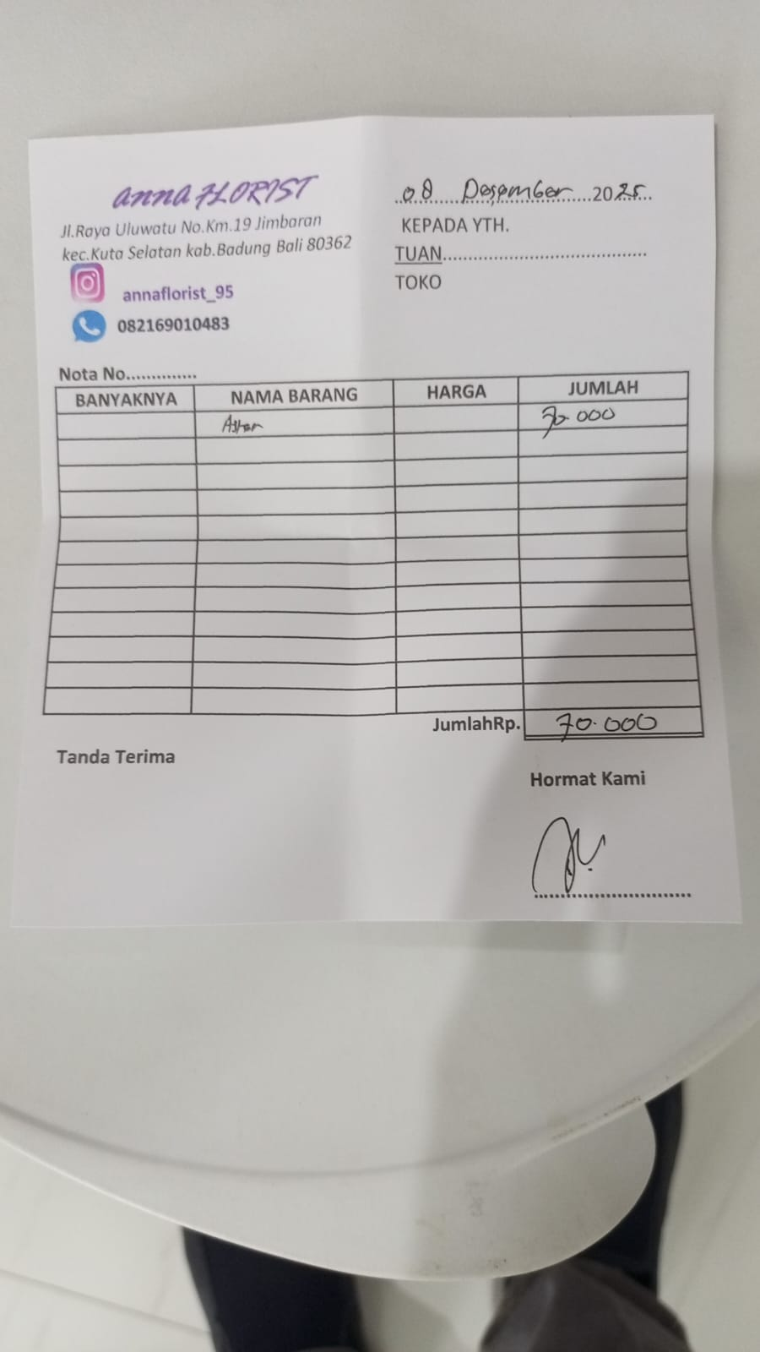 | F
8-Dec-25 | THE CHAI ULUWATU |  | 114,000.00 | 2,120,276.00 | PURCHASE DA HONG PAO "ROU GUI" |  | B
8-Dec-25 | TRANSFER KE KADEK ANDIKA PUTRA |  | 15,500.00 | 2,104,776.00 | REIMBURSEMENT OF PRINTING 23 SHEETS OF FRANCHISE AGREEMENT PAPER FOR QUIZ USING PERSONAL MONEY | 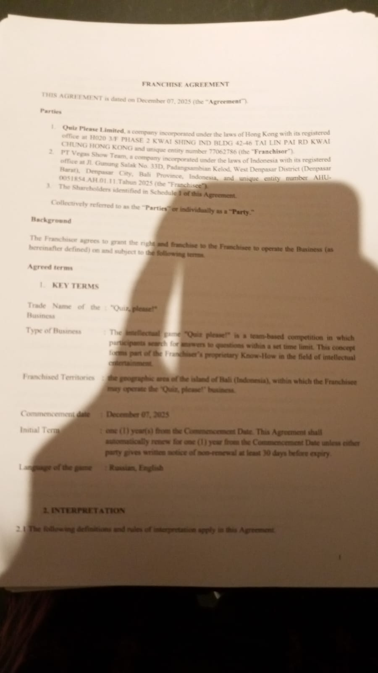 | F
8-Dec-25 | MR.D.I.Y RK JIMBARAN |  | 112,500.00 | 1,992,276.00 | PURCHASE OF 2 DOUBLE TAPE, 1 BIG TRANSPARANT TAPE, 1 PACKAGE OF SMALL TAPE | 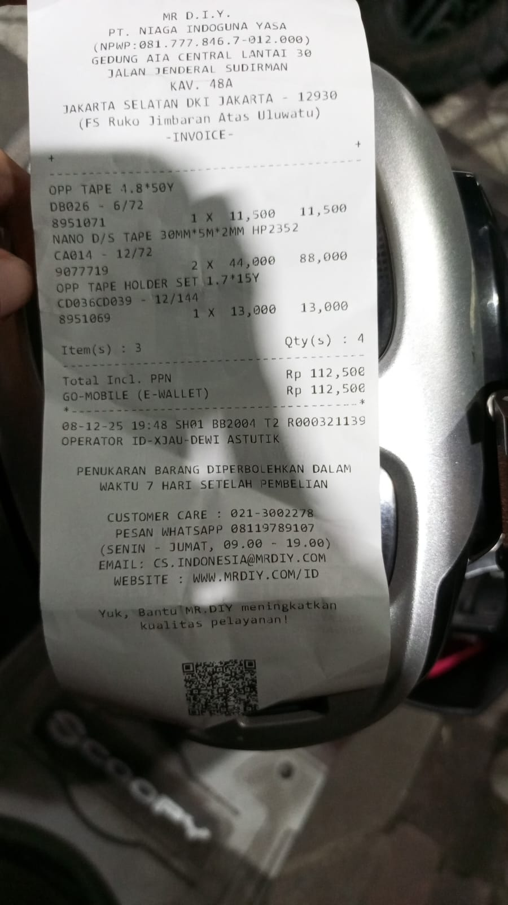 | F
9-Dec-25 | MR.D.I.Y RK JIMBARAN |  | 94,500.00 | 1,897,776.00 | PURCHASE PHONE CHARGER FOR FLOOR |  | F
9-Dec-25 | TOKO KARYA NIRMALA |  | 354,000.00 | 1,543,776.00 | PURCHASING PAINTS FOR CINEMA AND FLOOR CEILING | 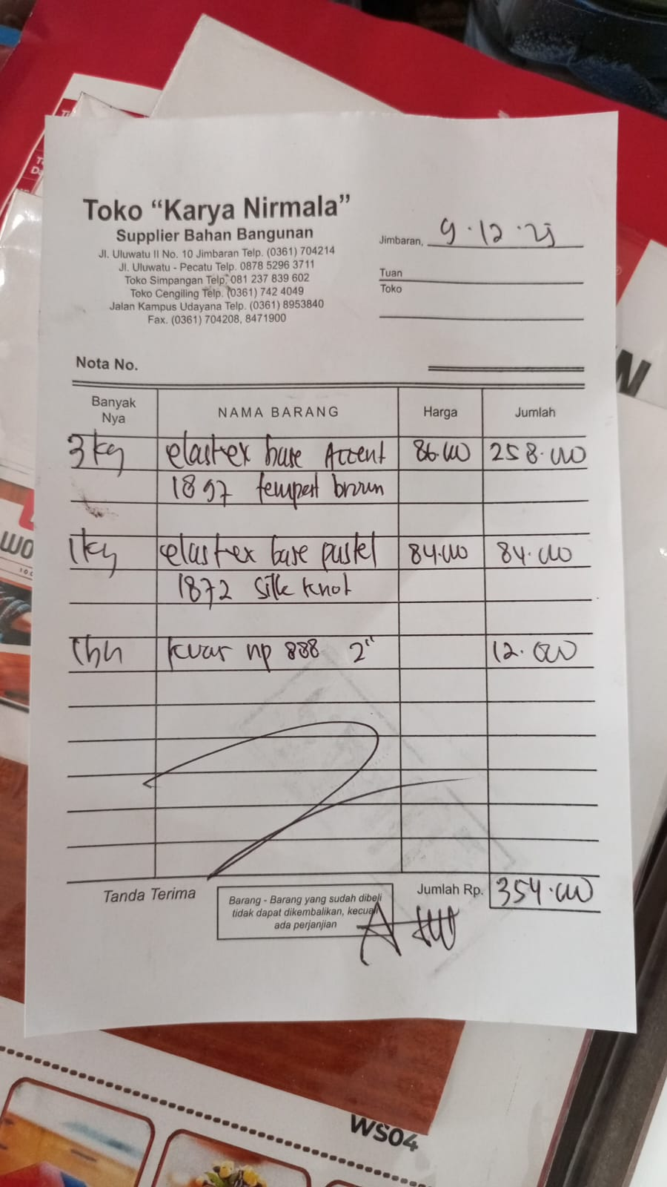 | F
9-Dec-25 | MR.D.I.Y RK JIMBARAN |  | 170,000.00 | 1,373,776.00 | PURCHASE 3G ADAPTER SWITCH | 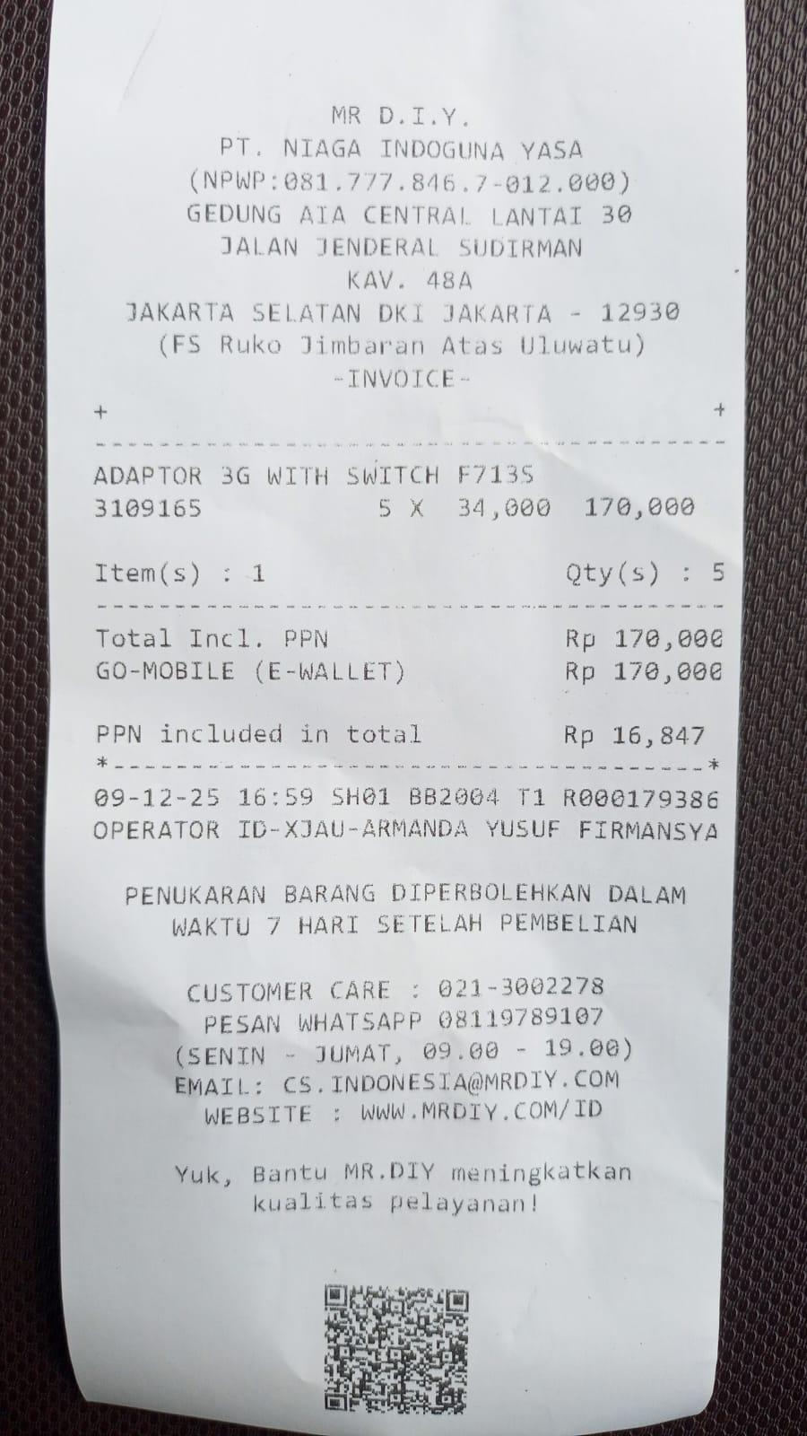 | F
10-Dec-25 | DAPUR PRIMA |  | 140,900.00 | 1,232,876.00 | PURCHASE OF TRASH CONTAINER | 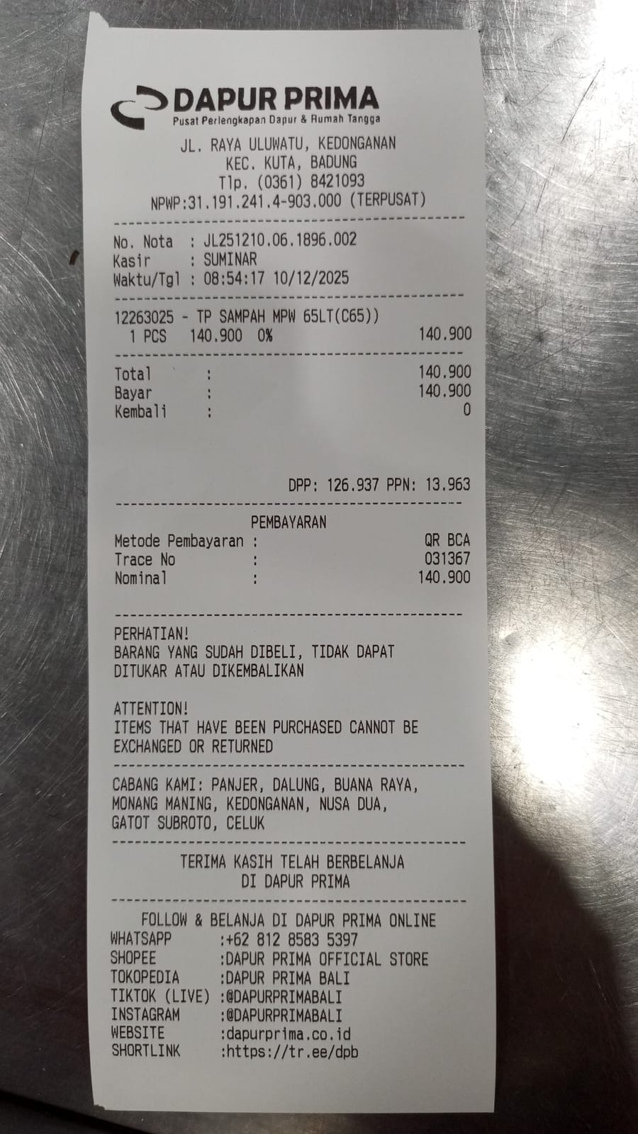 | S
10-Dec-25 | TRANSFER KE BAYU RAHADIAN P |  | 103,300.00 | 1,129,576.00 | REIMBURSE PURCHASE OF 2 BAR KNIFE TO PAK BAYU BAR MANAGER | 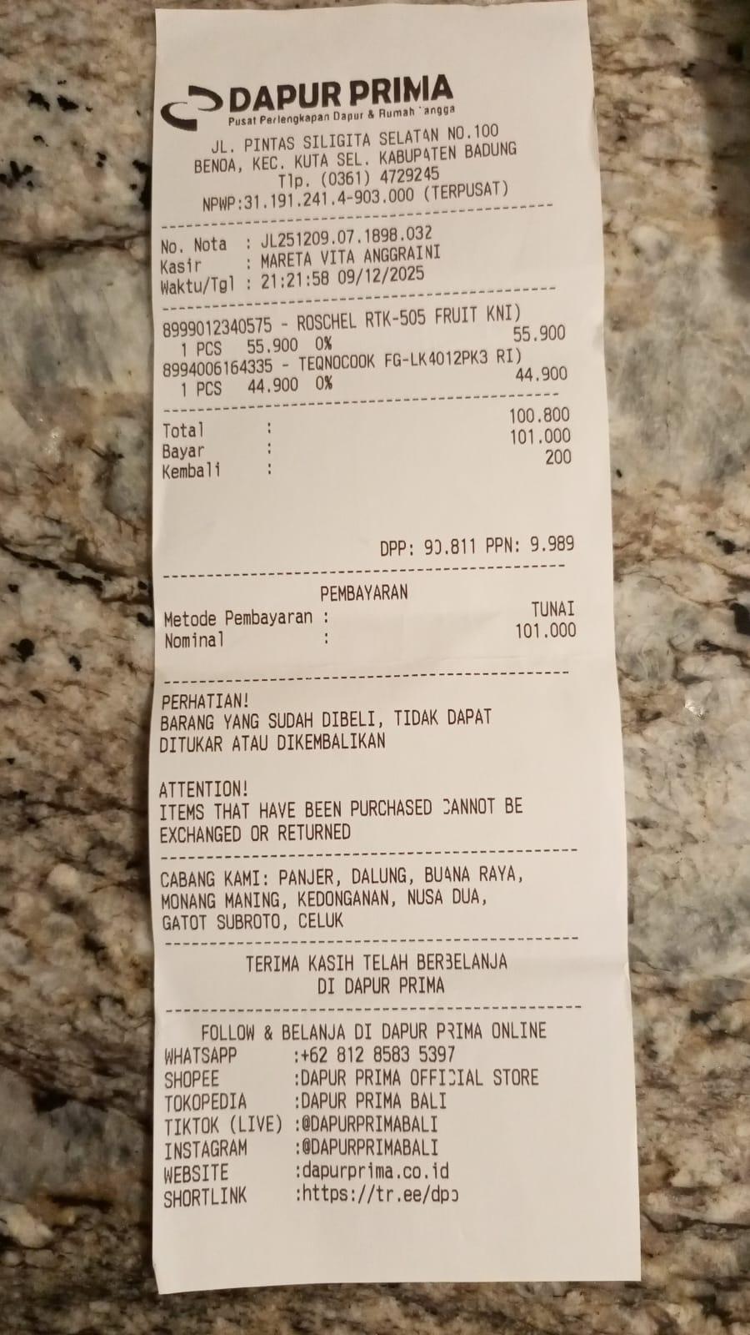 | B
11-Dec-25 | BANK BRI | 1,500,000.00 |  | 2,629,576.00 | TOPPED UP RP. 1.500.000 |  | T
11-Dec-25 | OVO ADMIN FEE |  | 1,200.00 | 2,628,376.00 | ADMIN FEE RP. 1.200 |  | T
11-Dec-25 | TRANSFER KE IRINA TERESHCHENKO |  | 902,500.00 | 1,725,876.00 | PAYMENT TO IRINA BY OVO TRANSFER |  | M
11-Dec-25 | BANK BCA | 900,000.00 |  | 2,625,876.00 | MOVING CASH RECEIVED FOR IRINA TO OVO ACCOUNT |  | M
11-Dec-25 | OVO ADMIN FEE |  | 1,000.00 | 2,624,876.00 | ADMIN FEE RP. 1.000 |  | M
12-Dec-25 | SHEENA CELL-HO |  | 20,000.00 | 2,604,876.00 | PURCHASING 4 NAPKIN POLISH FOR BAR | 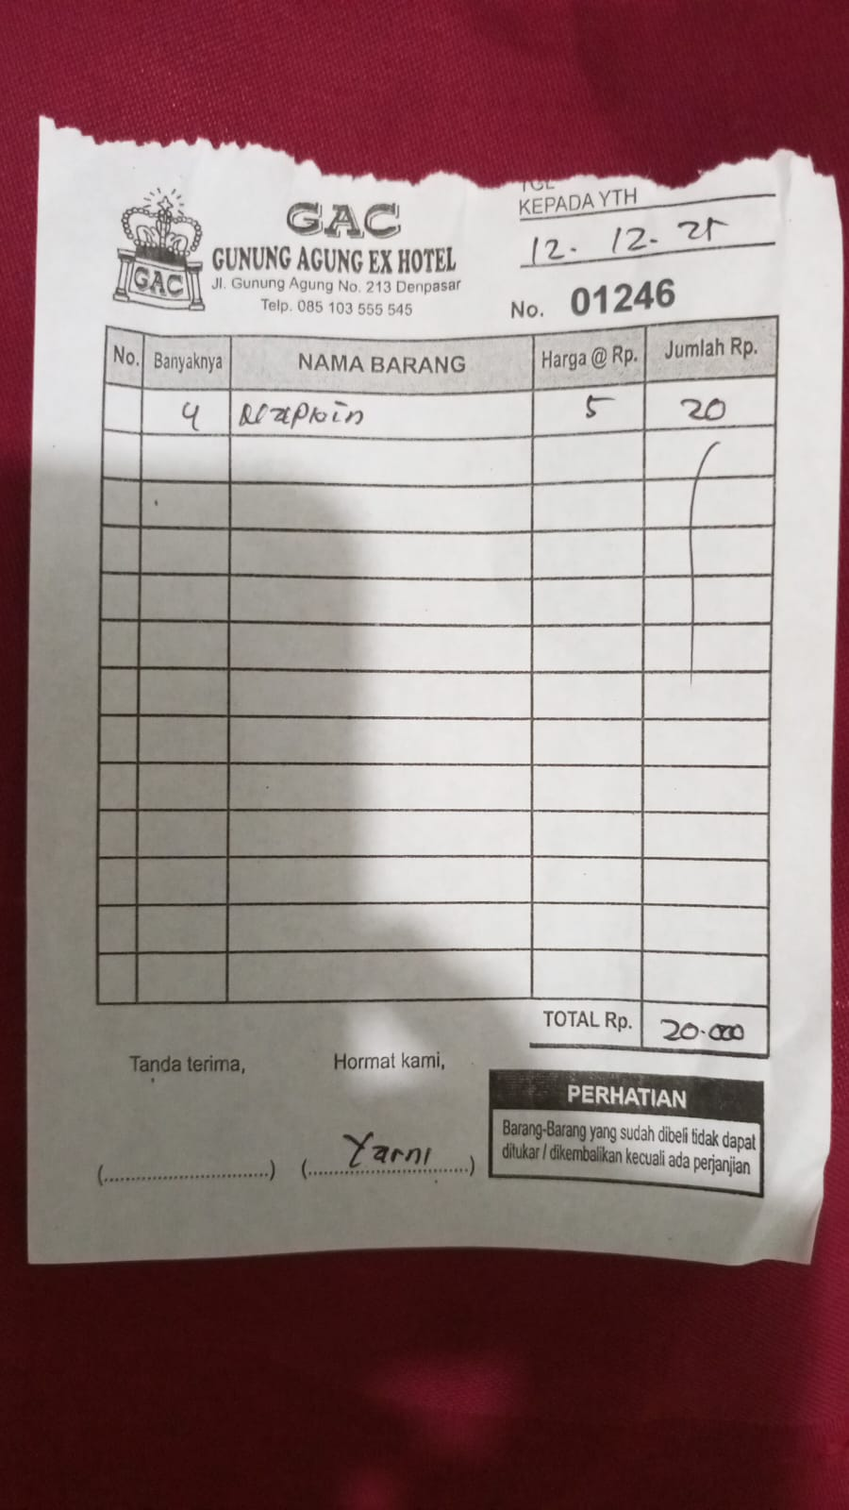 | B
12-Dec-25 | TRANSFER KE MUHAMMAD KOMARUDIN |  | 208,500.00 | 2,396,376.00 | PURCHASING DAIRY FRESH MILK FOR KITCHEN | 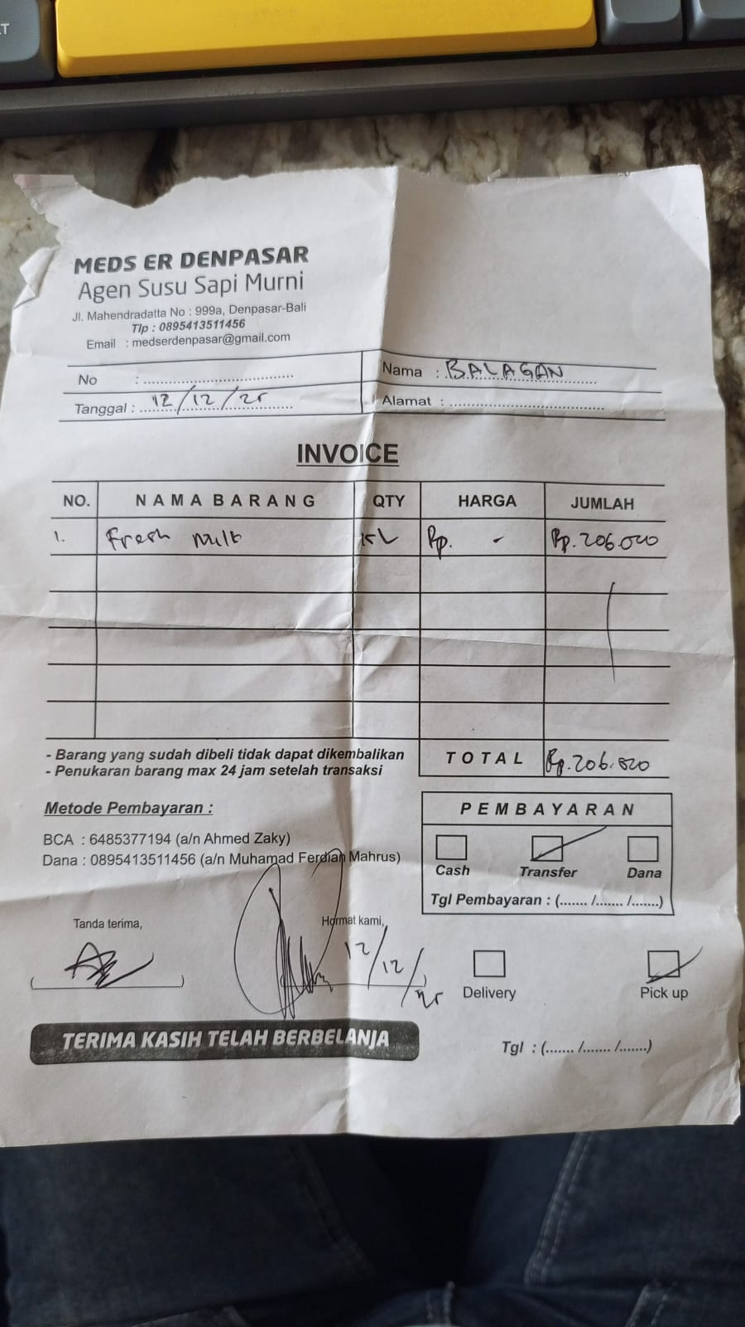 | K
12-Dec-25 | TRANSFER KE GERALDO ANDERSON |  | 60,000.00 | 2,336,376.00 | REIMBURSE SHISHA PURCHASE OF 5 BRUSH | 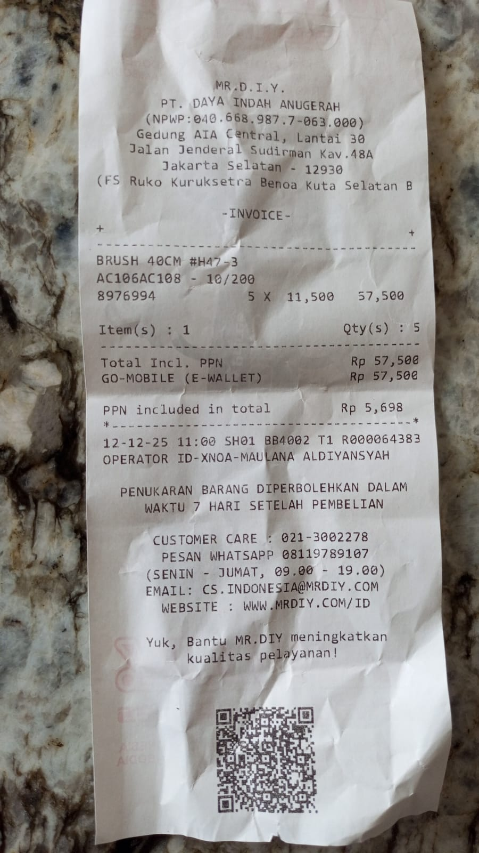 | S
14-Dec-25 | MR.D.I.Y RK JIMBARAN |  | 19,000.00 | 2,317,376.00 | PURCHASING BROOM FOR KITCHEN | 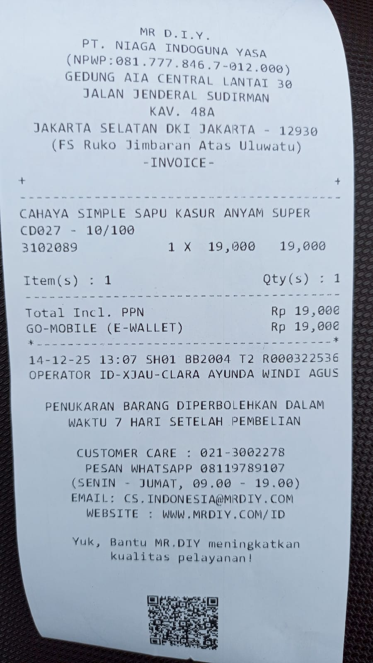 | K
14-Dec-25 | TRANSFER KE KADEK ANDIKA PUTRA |  | 324,000.00 | 1,993,376.00 | REIMBURSING PURCHASE OF GYSUM (4), HOLO 0.25X2X4 (2), CORNICE (5KG), GYSUM TAPE (1). OVO GOT PROBLEM AT THE TIME SO I HAVE TO USE BCA FOR PAYMENT | 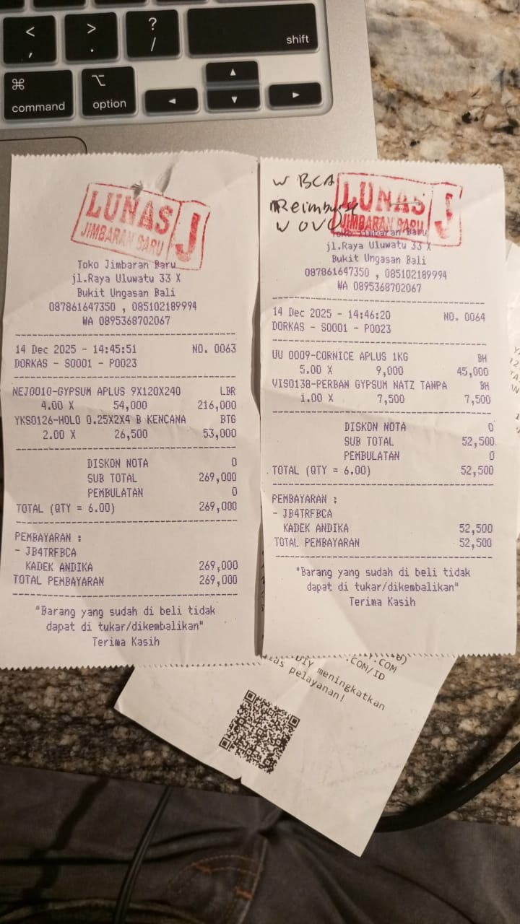 | F
16-Dec-25 | ARTHAYASA PHOTO HO |  | 42,000.00 | 1,951,376.00 | PURCHASE SHEET PROTECTOR AND BIG CLIP TILE MAP BLUE AND BLACK COLOR FOR CHEF |  | K
16-Dec-25 | ANNA FLORIST |  | 70,000.00 | 1,881,376.00 | PURCHASE FLOWERS FOR FLOOR |  | F
17-Dec-25 | TIARA DEWATA SOPUTAN |  | 155,850.00 | 1,725,526.00 | PURCHASE 5 PACKS OF JOLLY TIME BIG CHEEZ POPCORN FOR KITCHEN |  | K
17-Dec-25 | ARTHAYASA PHOTO HO |  | 80,000.00 | 1,645,526.00 | PURCHASE 1 BOX OF STAPLES REFILL FOR FLOOR |  | F
19-Dec-25 | SHEENA CELL-HO |  | 20,000.00 | 1,625,526.00 | PURCHASING NAPKIN FOR FLOOR |  | F
19-Dec-25 | PENNA MART II MBL |  | 52,000.00 | 1,573,526.00 | PURCHASING RAMI THREAD |  | F |  |  |  |  |  |  |  |  |  |  | K
19-Dec-25 | VAEKA NUROHMI |  | 212,500.00 | 1,361,026.00 | PURCHASING FRESH MILK FOR KITCHEN |  | K
19-Dec-25 | TRANSFER KE SDRI CINDY FITRIA CAHYANI |  | 16,500.00 | 1,344,526.00 | REIMBURSING FLOOR PURCHASE OF NATURAL RAFFIA AT D.I.Y TO CINDY |  | F
20-Dec-25 | TOKO KARYA NIRMALA |  | 193,000.00 | 1,151,526.00 | PURCHASING 2 KG OF PAINT 1872 AND 1 AC HOSE PLASTER |  | F
21-Dec-25 | TOKO KARYA NIRMALA |  | 30,000.00 | 1,121,526.00 | PURCHASE EXTRA 3KG CORNISE FOR CEILLING REPARATION |  | F
21-Dec-25 | TRANSFER KE I PUTU PRAM ADHIPUTRA WA |  | 32,500.00 | 1,089,026.00 | PURCHASE RAJAWALI GLUE FOR CEILLING AND 1 KG OF CEMENT + ADMIN FEE |  | F
21-Dec-25 | TRANSFER KE IKSAN SAFRUDI |  | 902,500.00 | 186,526.00 | PAYMENT FOR HANDYMAN FOR REPAIRING THE CEILLING |  | F
22-Dec-25 | TRANSFER KE LUH DINA ANGGRA WAHY |  | 22,500.00 | 164,026.00 | REIMBURSE CANANG (BALINESE OFFERING) FOR FLOOR (DINA) + ADMIN FEE RP 2.500 |  | F
23-Dec-25 | BANK BRI | 1,500,000.00 |  | 1,664,026.00 | TOPPED UP RP. 1.500.000 |  | T
23-Dec-25 | OVO ADMIN FEE |  | 1,200.00 | 1,662,826.00 | ADMIN FEE RP. 1.200 |  | T
23-Dec-25 | TRANSFER KE KADEK ANDIKA PUTRA |  | 212,500.00 | 1,450,326.00 | REIMBURSE PURCHASE OF ABISEKA FRESH MILK TO ANDIKA PURCHASING |  | K
23-Dec-25 | TRANSFER KE KADEK ANDIKA PUTRA |  | 257,000.00 | 1,193,326.00 | REIMBURSE PURCHASE OF THE CHAI CHAMOMILE TEA 210 GRAMS TO ANDIKA PURCHASING |  | B
23-Dec-25 | TRANSFER KE BALI STARS CV |  | 167,500.00 | 1,025,826.00 | PRINTING NEW YEAR BANNER ON BALISTARS |  | F
24-Dec-25 | DAPUR PRIMA GATSU |  | 289,100.00 | 736,726.00 | Purchase balagan order stuff for kitchen w OVO |  | K
24-Dec-25 | TOKO KARYA NIRMALA |  | 70,000.00 | 666,726.00 | PURCHASE PAINT 1873 FOR FLOOR CEILLING |  | F
24-Dec-25 | TRANSFER KE BALI STARS CV |  | 12,500.00 | 654,226.00 | PRINTING SIGN FOR PRIVATE EVENT |  | F
25-Dec-25 | BANK BRI | 1,500,000.00 |  | 2,154,226.00 | TOPPED UP RP. 1.500.000 |  | T
25-Dec-25 | OVO ADMIN FEE |  | 1,200.00 | 2,153,026.00 | ADMIN FEE RP. 1.200 |  | T
26-Dec-25 | ANNA FLORIST |  | 68,000.00 | 2,085,026.00 | PURCHASE FLOWERS FOR FLOOR |  | F
26-Dec-25 | CM ULUWATU |  | 58,000.00 | 2,027,026.00 | PURCHASE 2 PACKS OF KEBAB STICK FOR KITCHEN |  | K
26-Dec-25 | ULULANI DREAMLAND 1 |  | 22,000.00 | 2,005,026.00 | PAID 22 SHEET OF PRINT OUT FOR MS. ANGELICA AT LOBBY'S RECEPTIONIST |  | F
26-Dec-25 | TRANSFER KE AHMAD SYIHAN ASHIILAH MU |  | 168,500.00 | 1,836,526.00 | PURCHASE 3 PACKS OF TORTILLA WRAP INCLUDING GOSEND FEE |  | K
26-Dec-25 | NIRMALA SUPERMARKET UGS |  | 20,500.00 | 1,816,026.00 | PURCHASE CHAFFER CANDLE FOR DISH |  | K
27-Dec-25 | BERSAUDARA FAZZ FAZZ |  | 8,000.00 | 1,808,026.00 | PURCHASE 1 PACK OF CRYSTAL ICE AT MADURA WAROENG FOR BAR |  | K
28-Dec-25 | TRANSFER KE VAEKA NUROHMI |  | 282,500.00 | 1,525,526.00 | PURCHASE OF 20 L OF ABISEKA FRESH MILK + ADMIN FEE RP. 2.500 |  | K
28-Dec-25 | BUNGA OVO NABUNG (REWARDS) | 5,819.00 |  | 1,531,345.00 | RECEIVED INTEREST FROM OVO SAVINGS |  | I
29-Dec-25 | TRANSFER KE KEMANG FOOD INDUSTRIES P |  | 157,747.00 | 1,373,598.00 | PURCHASE OF 1 KG OF SALAMI |  | K
29-Dec-25 | TRANSFER KE VAEKA NUROHMI |  | 422,500.00 | 951,098.00 | PURCHASE 30L OF ABISEKA FRESH MILK + ADMIN FEE RP. 2.500 |  | K
29-Dec-25 | GRAB |  | 78,000.00 | 873,098.00 | PAYMENT TO ABISEKA FRESH MILK GRAB DELIVERY |  | K
29-Dec-25 | TRANSFER KE DINETA JAYA PT |  | 342,500.00 | 530,598.00 | PAYMENT FOR 2 VANILLA ICE CREAM |  | B
30-Dec-25 | TRANSFER KE BALI STARS CV |  | 22,500.00 | 508,098.00 | PRINTING GLUHWEIN SIGN ON BALISTARS |  | B
30-Dec-25 | TRANSFER KE DINETA JAYA PT |  | 172,500.00 | 335,598.00 | PAYMENT OF DINETA JAYA CHOCOLATE ICE CREAM 1 BOX |  | B
30-Dec-25 | GRAB |  | 54,000.00 | 281,598.00 | GRAB DELIVERY COST FOR DELIVERING TORTILLA USING OVO PAYMENT |  | K
30-Dec-25 | TRANSFER KE OLMEC INDUSTRIES INDONESIA PT |  | 222,280.00 | 59,318.00 | PURCHASE TORTILLA WRAP W OVO AND GRAB DELIVERY |  | K
31-Dec-25 | CM ULUWATU |  | 58,000.00 | 1,318.00 | PURCHASE 2 PACKS OF KEBAB STICK FOR KITCHEN |  | K
31-Dec-25 | BANK BRI | 3,000,000.00 |  | 3,001,318.00 | TOPPED UP RP. 3.000.000 |  | T
31-Dec-25 | OVO ADMIN FEE |  | 1,200.00 | 3,000,118.00 | ADMIN FEE RP. 1.200 |  | T
31-Dec-25 | TRANSFER KE KADEK ANDIKA PUTRA |  | 462,500.00 | 2,537,618.00 | REIMBURSE PRINT OF ROOFTOP BAR MENU AT JAYA PRINTING (OVO HAS PROBLEM ON PAYMENT AT THE TIME) |  | F
31-Dec-25 | TRANSFER KE SRI RAHAYU |  | 42,500.00 | 2,495,118.00 | PURCHASE 5 PACKS OF CRYSTAL ICE FROM MADURA WAROENG |  | B
1-Jan-26 | TRANSFER KE AHMAD SYIHAN ASHIILAH MU |  | 242,500.00 | 2,252,618.00 | PURCHASE OF TORTILLA WRAP DELIVERY USING GOSEND |  | K
2-Jan-26 | TOKOPEDIA |  | 210,300.00 | 2,042,318.00 | PURCHASE OF DIMMER SWITCH FOR BAR VIA TOKOPEDIA |  | B
2-Jan-26 | PENNA MART II MBL |  | 90,000.00 | 1,952,318.00 | PURCHASE OF STATIONARIES |  | F
2-Jan-26 | WARUNG SANTHI SAYUR DAN B |  | 129,000.00 | 1,823,318.00 | PURCHASE OF GROCERIES FOR BAR |  | B
2-Jan-26 | CM ULUWATU |  | 44,500.00 | 1,778,818.00 | PURCHASE OF PEPING PAPER FOR KITCHEN |  | K
2-Jan-26 | VIKA FRESH FRUIT |  | 111,000.00 | 1,667,818.00 | PURCHASE OF FRUIT GROCERIES FOR BAR |  | B
2-Jan-26 | TOKO PUTRA MANDIRI |  | 36,000.00 | 1,631,818.00 | PURCHASE OF CAKRA FLOUR FOR KITCHEN |  | K
2-Jan-26 | TRANSFER KE RISKI FIRMANSYAH |  | 300,100.00 | 1,331,718.00 | REIMBURSE PURCHASE OF CHICKEN LEG AT 30 DEC 2025 TO CHEF RISKI REGARDING URGENT SUPPLIES |  | K
2-Jan-26 | TRANSFER KE SIGID PURNAMA |  | 29,475.00 | 1,302,243.00 | REIMBURSING PURCHASE OF 1X AQUA GALLOON FOR BAR TO SIGID PURNAMA |  | B
2-Jan-26 | TRANSFER KE AHMAD SYIHAN ASHIILAH MU |  | 236,500.00 | 1,065,743.00 | PURCHASE 5 PACK OF TORTILLA WRAP DELIVERED BY GOSEND |  | K
3-Jan-26 | TRANSFER KE VAEKA NUROHMI |  | 422,500.00 | 643,243.00 | PURCHASE 30L OF ABISEKA FRESH MILK + ADMIN FEE RP. 2.500 |  | K
3-Jan-26 | TRANSFER KE KADEK ANDIKA PUTRA |  | 72,500.00 | 570,743.00 | REIMBURSE PURCHASE FLOWERS FOR FLOOR TO ANDIKA WHEN OVO GOT PROBLEM ON QRIS PAYMENT |  | F
3-Jan-26 | TRANSFER KE KHOIRUR ROSIKIN |  | 37,500.00 | 533,243.00 | REIMBURSE NAPKIN LAUNDRY TO MILA FLOOR |  | F
5-Jan-26 | TRANSFER KE AHMAD SYIHAN ASHIILAH MU |  | 482,500.00 | 50,743.00 | PURCHASE 5 PACKS OF TORTILLA WRAP FOR KITCHEN |  | K
6-Jan-26 | MR.D.I.Y RK JIMBARAN |  | 28,000.00 | 22,743.00 | PURCHASE 2 PACKS OF BIRTHDAY CANDLES AND 2 PACKS OF WHITE BOARD MARKER (2 PCS EACH) |  | F
6-Jan-26 | BANK BRI | 3,000,000.00 |  | 3,022,743.00 | TOPPED UP RP. 3.000.000 |  | T
6-Jan-26 | OVO ADMIN FEE |  | 1,200.00 | 3,021,543.00 | ADMIN FEE RP. 1.200 |  | T
6-Jan-26 | TRANSFER KE GERALDO ANDERSON |  | 236,000.00 | 2,785,543.00 | REIMBURSE TO GERALDO FOR REPLACING CASHIER TIPPING CASH FOR PAYMENTS OF SHISHA GOSEND, BAR GOSEND (NEW YEAR), BAR INVENTORY PRINTOUT |  | B
6-Jan-26 | TRANSFER KE KADEK ANDIKA PUTRA |  | 402,500.00 | 2,383,043.00 | REIMBURSE PAYMENT OF MULIA JAYA 8 PACKS OF PASSION FRUIT TO ANDIKA |  | B
6-Jan-26 | TRANSFER KE KADEK ANDIKA PUTRA |  | 187,500.00 | 2,195,543.00 | REIMBURSE PRINTING OF SHISHA CARDS & STICKERS AT BALISTARS TO ANDIKA |  | S
7-Jan-26 | TRANSFER KE SUMBER KACA UTAMA CV |  | 52,500.00 | 2,143,043.00 | PURCHASE 2 PCS GLASS DOOR SWING STOP |  | F
7-Jan-26 | A441 AZKO BALI GATSU BR |  | 22,900.00 | 2,120,143.00 | PURCHASE DEODORIZER FOR TOILET |  | F
7-Jan-26 | TRANSFER KE VAEKA NUROHMI |  | 422,500.00 | 1,697,643.00 | PURCHASE 30 L OF ABISEKA FRESH MILK |  | K
7-Jan-26 | TRANSFER KE SDRI CINDY FITRIA CAHYANI |  | 77,500.00 | 1,620,143.00 | REIMBURSE PAYMENT OF FLOOR NAPKIN LAUNDRY TO CINDY |  | F
9-Jan-26 | CM ULUWATU |  | 198,000.00 | 1,422,143.00 | PURCHASE WHITE PLASTIC BAG & CLING PLASTIC WRAP |  | K
9-Jan-26 | TRANSFER KE KADEK ANDIKA PUTRA |  | 503,076.00 | 919,067.00 | REIMBURSE PURCHASE OF 15 PCS OR BAR SAUCER ON SHOPEE USING PERSONAL BCA FUND TO ANDIKA |  | B
9-Nov-26 | TOKOPEDIA |  | 75,000.00 | 844,067.00 | PURCHASE 5 PCS OF RING CUTTER FOR KITCHEN |  | K
10-Jan-26 | SHEENA CELL-HO |  | 30,000.00 | 814,067.00 | PURCHASE 3 PCS OF HAND TOWER FOR SHISHA |  | S
10-Jan-26 | PENNA MART II MBL |  | 25,000.00 | 789,067.00 | PURCHASE 5 PCS OF BROWN ROPE |  | F
10-Jan-26 | TRANSFER KE VAEKA NUROHMI |  | 422,500.00 | 366,567.00 | PURCHASE 30 L OF ABISEKA FRESH MILK |  | K
10-Jan-26 | TRANSFER KE BALI STARS CV |  | 42,500.00 | 324,067.00 | PRINTING SIGNS FOR HACCP INSPECTIONS |  | F
11-Jan-26 | CM ULUWATU |  | 64,000.00 | 260,067.00 | PURCHASE HAIRNET & MASKER FOR HACCP INSPECTIONS |  | K
12-Jan-26 | BSM PRINTING BALI |  | 58,000.00 | 202,067.00 | PRINTING IKL INSPECTIONS FORM AND MORE SIGN FOR THE TRASH BIN |  | F
12-Jan-26 | KEMFOOD BALI |  | 155,247.00 | 46,820.00 | PURCHASE 1 KG OF SALAMI |  | K
12-Jan-26 | ANNA FLORIST |  | 44,000.00 | 2,820.00 | PURCHASE FLOWERS FOR FLOOR |  | F
14-Jan-26 | BANK BRI | 3,000,000.00 |  | 3,002,820.00 | TOPPED UP RP. 3.000.000 |  | T
14-Jan-26 | OVO ADMIN FEE |  | 1,200.00 | 3,001,620.00 | ADMIN FEE RP. 1.200 |  | T
14-Jan-26 | TRANSFER KE LADANG ROTI KREATIF PT |  | 302,500.00 | 2,699,120.00 | PAYMENT OF BREAD TO BRAUD |  | K
14-Jan-26 | TRANSFER KE RISKI FIRMANSYAH |  | 612,900.00 | 2,086,220.00 | REIMBURSE PURCHASE OF TRASH BIN. CORN AND CRABSTICK TO CHEF RISKI |  | K
14-Jan-26 | TRANSFER KE KADEK ANDIKA PUTRA |  | 422,500.00 | 1,663,720.00 | REIMBURSE PURCHASE OF ABISEKA FRESH MILK TO ANDIKA PURCHASING |  | K
15-Jan-26 | TRANSFER KE SITI HALIMATUS SA'DIYAH |  | 77,500.00 | 1,586,220.00 | PURCHASE 1 PAX OF VACCUUM PLASTIC 16X25 |  | K
15-Jan-26 | BAR ESSENTIALS ULUWATU |  | 140,000.00 | 1,446,220.00 | PURCHASE 200 PCS OF COCKTAIL PICKS LOVE |  | B
15-Jan-26 | MR.D.I.Y RK JIMBARAN |  | 67,000.00 | 1,379,220.00 | PURCHASE 1 PACK OF CABLE TIES & 1 PCS OF STOP CONTACT |  | S
15-Jan-26 | BAR ESSENTIALS ULUWATU |  | 120,000.00 | 1,259,220.00 | PURCHASE 1 PCS OF MATCHA WHISKER FOR BAR |  | B
 |  |  |  | 1,259,220.00
 |  |  |  | 1,259,220.00
 |  |  |  | 1,259,220.00
 |  |  |  | 1,259,220.00
 |  |  |  | 1,259,220.00
 |  |  |  | 1,259,220.00
 |  |  |  | 1,259,220.00
 |  |  |  | 1,259,220.00
 |  |  |  | 1,259,220.00
 |  |  |  | 1,259,220.00
 |  |  |  | 1,259,220.00
 |  |  |  | 1,259,220.00
 |  |  |  | 1,259,220.00
 |  |  |  | 1,259,220.00
 |  |  |  | 1,259,220.00
 |  |  |  | 1,259,220.00
 |  |  |  | 1,259,220.00
 |  |  |  | 1,259,220.00
 |  |  |  | 1,259,220.00
 |  |  |  | 1,259,220.00

